pers_beforeafter_stats
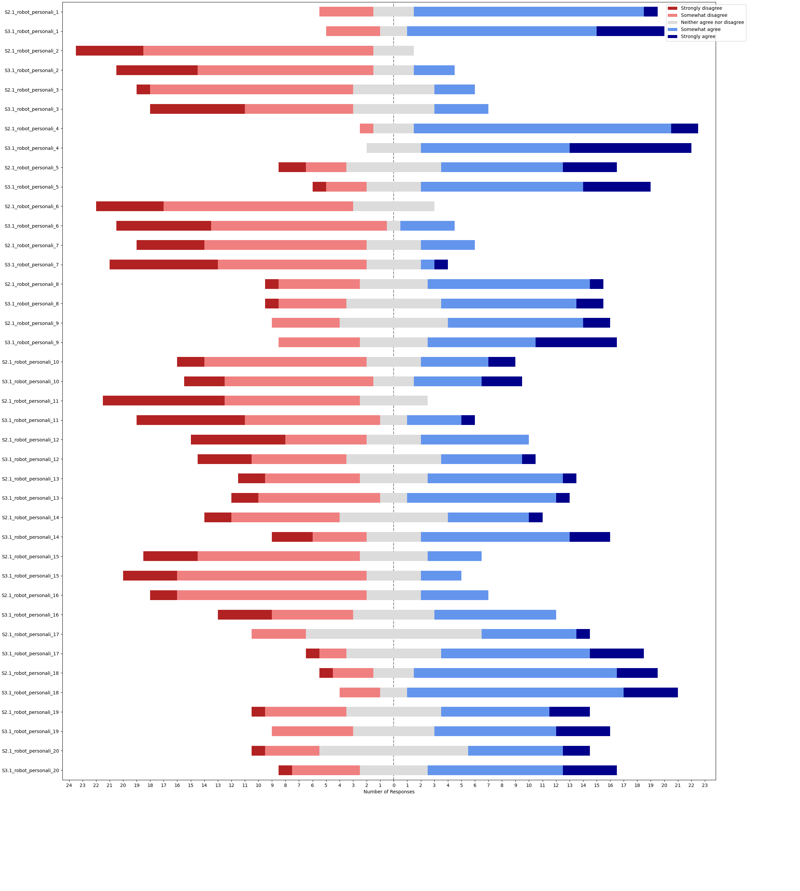
question | median_BA | median_SO | SONAR - baseline | w-alternative | w-stat | w-pval | w-zstat | significance | effect size | effect size interpretation
sociable | 4 | 4 | [1, 0, 0, 0, 0, -2, 1, 1, 1, 0, -2, 1, 0, -1, 2, 0, 2, -3, 0, -1, 1, 1, 0, 1, 2] | two-sided | 53 | 0.42325706728 | -0.80078337135 |  | 0.11324787043 | none
sociable | 4 | 4 | [1, 0, 0, 0, 0, -2, 1, 1, 1, 0, -2, 1, 0, -1, 2, 0, 2, -3, 0, -1, 1, 1, 0, 1, 2] | greater | 83 | 0.21162853364 | 0.80078337135 |  | 0.11324787043 | none
sociable | 4 | 4 | [1, 0, 0, 0, 0, -2, 1, 1, 1, 0, -2, 1, 0, -1, 2, 0, 2, -3, 0, -1, 1, 1, 0, 1, 2] | less | 83 | 0.78837146636 | 0.80078337135 |  | 0.11324787043 | none
shy | 2 | 2 | [0, 0, -1, 2, 0, -1, 0, 1, 0, 0, 1, 0, 0, 0, 1, -1, -1, 3, -1, 0, 0, -1, 1, 1, 1] | two-sided | 39 | 0.36054064905 | -0.914335373 |  | 0.1293065485 | none
shy | 2 | 2 | [0, 0, -1, 2, 0, -1, 0, 1, 0, 0, 1, 0, 0, 0, 1, -1, -1, 3, -1, 0, 0, -1, 1, 1, 1] | greater | 66 | 0.18027032453 | 0.914335373 |  | 0.1293065485 | none
shy | 2 | 2 | [0, 0, -1, 2, 0, -1, 0, 1, 0, 0, 1, 0, 0, 0, 1, -1, -1, 3, -1, 0, 0, -1, 1, 1, 1] | less | 66 | 0.81972967547 | 0.914335373 |  | 0.1293065485 | none
vulnerable | 2 | 2 | [-1, 0, -1, 2, 0, -1, -1, 0, 0, -1, 0, 0, 1, -1, 0, 0, 0, 0, -1, 0, 0, -1, -1, 1, 1] | two-sided | 32.5 | 0.31731050786 | -1 |  | 0.14142135624 | none
vulnerable | 2 | 2 | [-1, 0, -1, 2, 0, -1, -1, 0, 0, -1, 0, 0, 1, -1, 0, 0, 0, 0, -1, 0, 0, -1, -1, 1, 1] | greater | 32.5 | 0.84134474607 | -1 |  | 0.14142135624 | none
vulnerable | 2 | 2 | [-1, 0, -1, 2, 0, -1, -1, 0, 0, -1, 0, 0, 1, -1, 0, 0, 0, 0, -1, 0, 0, -1, -1, 1, 1] | less | 32.5 | 0.15865525393 | -1 |  | 0.14142135624 | none
active | 4 | 4 | [1, 0, 1, -1, 1, 1, 0, 0, 1, 0, 0, 1, 1, 0, 0, -1, 1, 0, 1, 0, -1, 0, -1, 1, 1] | two-sided | 32 | 0.070701144866 | -1.8073922282 |  | 0.25560386017 | small
active | 4 | 4 | [1, 0, 1, -1, 1, 1, 0, 0, 1, 0, 0, 1, 1, 0, 0, -1, 1, 0, 1, 0, -1, 0, -1, 1, 1] | greater | 88 | 0.035350572433 | 1.8073922282 | * | 0.25560386017 | small
active | 4 | 4 | [1, 0, 1, -1, 1, 1, 0, 0, 1, 0, 0, 1, 1, 0, 0, -1, 1, 0, 1, 0, -1, 0, -1, 1, 1] | less | 88 | 0.96464942757 | 1.8073922282 |  | 0.25560386017 | small
assertive | 4 | 4 | [2, 0, 1, 0, -1, 0, -1, 1, 1, 0, -1, 1, 0, -1, 2, -1, 0, 0, 0, 0, -2, 0, 0, 4, 2] | two-sided | 36.5 | 0.29916899552 | -1.0382170952 |  | 0.14682606968 | none
assertive | 4 | 4 | [2, 0, 1, 0, -1, 0, -1, 1, 1, 0, -1, 1, 0, -1, 2, -1, 0, 0, 0, 0, -2, 0, 0, 4, 2] | greater | 68.5 | 0.14958449776 | 1.0382170952 |  | 0.14682606968 | none
assertive | 4 | 4 | [2, 0, 1, 0, -1, 0, -1, 1, 1, 0, -1, 1, 0, -1, 2, -1, 0, 0, 0, 0, -2, 0, 0, 4, 2] | less | 68.5 | 0.85041550224 | 1.0382170952 |  | 0.14682606968 | none
anxious | 2 | 2 | [-1, -1, 0, 0, 0, 0, -1, 3, 0, 0, 2, 2, 0, 0, 0, 0, 0, 1, -2, 0, -1, -1, 0, -1, 1] | two-sided | 37 | 0.87092087435 | -0.16248889274 |  | 0.022979399585 | none
anxious | 2 | 2 | [-1, -1, 0, 0, 0, 0, -1, 3, 0, 0, 2, 2, 0, 0, 0, 0, 0, 1, -2, 0, -1, -1, 0, -1, 1] | greater | 41 | 0.43546043718 | 0.16248889274 |  | 0.022979399585 | none
anxious | 2 | 2 | [-1, -1, 0, 0, 0, 0, -1, 3, 0, 0, 2, 2, 0, 0, 0, 0, 0, 1, -2, 0, -1, -1, 0, -1, 1] | less | 41 | 0.56453956282 | 0.16248889274 |  | 0.022979399585 | none
tense | 2 | 2 | [-1, 0, 0, 1, 0, -2, 0, 0, 0, -1, 0, 1, 0, 1, 0, 0, 1, 0, 0, 0, -1, -1, -3, -1, 0] | two-sided | 20 | 0.21827212209 | -1.2311356819 |  | 0.17410887785 | none
tense | 2 | 2 | [-1, 0, 0, 1, 0, -2, 0, 0, 0, -1, 0, 1, 0, 1, 0, 0, 1, 0, 0, 0, -1, -1, -3, -1, 0] | greater | 20 | 0.89086393896 | -1.2311356819 |  | 0.17410887785 | none
tense | 2 | 2 | [-1, 0, 0, 1, 0, -2, 0, 0, 0, -1, 0, 1, 0, 1, 0, 0, 1, 0, 0, 0, -1, -1, -3, -1, 0] | less | 20 | 0.10913606104 | -1.2311356819 |  | 0.17410887785 | none
creative | 4 | 3 | [1, 0, 0, -1, 0, 1, -1, -2, -1, 0, -1, 2, 0, 2, 0, -1, 0, 1, -2, 0, 3, 0, 1, 0, -1] | two-sided | 58 | 0.90620587414 | -0.11782556319 |  | 0.016663050945 | none
creative | 4 | 3 | [1, 0, 0, -1, 0, 1, -1, -2, -1, 0, -1, 2, 0, 2, 0, -1, 0, 1, -2, 0, 3, 0, 1, 0, -1] | greater | 62 | 0.45310293707 | 0.11782556319 |  | 0.016663050945 | none
creative | 4 | 3 | [1, 0, 0, -1, 0, 1, -1, -2, -1, 0, -1, 2, 0, 2, 0, -1, 0, 1, -2, 0, 3, 0, 1, 0, -1] | less | 62 | 0.54689706293 | 0.11782556319 |  | 0.016663050945 | none
seeking excitement | 3 | 4 | [1, 1, 1, -2, -2, 0, 2, -2, 1, 2, -1, 3, -1, 1, 1, 0, -2, -1, 2, 0, 1, 0, 0, 1, -1] | two-sided | 90 | 0.56363063283 | -0.57745721561 |  | 0.081664782601 | none
seeking excitement | 3 | 4 | [1, 1, 1, -2, -2, 0, 2, -2, 1, 2, -1, 3, -1, 1, 1, 0, -2, -1, 2, 0, 1, 0, 0, 1, -1] | greater | 120 | 0.28181531642 | 0.57745721561 |  | 0.081664782601 | none
seeking excitement | 3 | 4 | [1, 1, 1, -2, -2, 0, 2, -2, 1, 2, -1, 3, -1, 1, 1, 0, -2, -1, 2, 0, 1, 0, 0, 1, -1] | less | 120 | 0.71818468358 | 0.57745721561 |  | 0.081664782601 | none
dominant | 2 | 2 | [3, 0, 2, -2, -2, 0, -2, 0, 1, 0, 1, 3, -1, 0, -1, 0, -3, 2, 0, 0, 1, 0, 0, 0, -1] | two-sided | 50.5 | 0.89860936305 | -0.12741826202 |  | 0.018019663424 | none
dominant | 2 | 2 | [3, 0, 2, -2, -2, 0, -2, 0, 1, 0, 1, 3, -1, 0, -1, 0, -3, 2, 0, 0, 1, 0, 0, 0, -1] | greater | 54.5 | 0.44930468152 | 0.12741826202 |  | 0.018019663424 | none
dominant | 2 | 2 | [3, 0, 2, -2, -2, 0, -2, 0, 1, 0, 1, 3, -1, 0, -1, 0, -3, 2, 0, 0, 1, 0, 0, 0, -1] | less | 54.5 | 0.55069531848 | 0.12741826202 |  | 0.018019663424 | none
aggressive | 2 | 2 | [0, 0, 0, 0, -1, 3, -1, 0, 0, 0, 2, 3, 0, -1, -1, 0, 0, 3, 2, 0, 0, 0, 0, 1, -2] | two-sided | 19 | 0.2068273725 | -1.2623374885 |  | 0.17852147966 | none
aggressive | 2 | 2 | [0, 0, 0, 0, -1, 3, -1, 0, 0, 0, 2, 3, 0, -1, -1, 0, 0, 3, 2, 0, 0, 0, 0, 1, -2] | greater | 47 | 0.10341368625 | 1.2623374885 |  | 0.17852147966 | none
aggressive | 2 | 2 | [0, 0, 0, 0, -1, 3, -1, 0, 0, 0, 2, 3, 0, -1, -1, 0, 0, 3, 2, 0, 0, 0, 0, 1, -2] | less | 47 | 0.89658631375 | 1.2623374885 |  | 0.17852147966 | none
impulsive | 2 | 3 | [3, 0, 0, -2, -2, -2, 1, 0, 1, 0, 0, 2, -1, -2, 1, 0, 0, 1, 2, 3, 2, 0, 0, 0, -2] | two-sided | 50.5 | 0.58138557883 | -0.55136195008 |  | 0.077974354758 | none
impulsive | 2 | 3 | [3, 0, 0, -2, -2, -2, 1, 0, 1, 0, 0, 2, -1, -2, 1, 0, 0, 1, 2, 3, 2, 0, 0, 0, -2] | greater | 69.5 | 0.29069278941 | 0.55136195008 |  | 0.077974354758 | none
impulsive | 2 | 3 | [3, 0, 0, -2, -2, -2, 1, 0, 1, 0, 0, 2, -1, -2, 1, 0, 0, 1, 2, 3, 2, 0, 0, 0, -2] | less | 69.5 | 0.70930721059 | 0.55136195008 |  | 0.077974354758 | none
own decisions | 3 | 3 | [2, -2, 3, -2, 0, 1, -1, 1, 1, 0, -2, 0, -1, 0, 0, 0, -1, 1, -1, 0, 2, 1, -3, 0, 0] | two-sided | 64.5 | 0.852913735 | -0.18540200617 |  | 0.026219803162 | none
own decisions | 3 | 3 | [2, -2, 3, -2, 0, 1, -1, 1, 1, 0, -2, 0, -1, 0, 0, 0, -1, 1, -1, 0, 2, 1, -3, 0, 0] | greater | 64.5 | 0.5735431325 | -0.18540200617 |  | 0.026219803162 | none
own decisions | 3 | 3 | [2, -2, 3, -2, 0, 1, -1, 1, 1, 0, -2, 0, -1, 0, 0, 0, -1, 1, -1, 0, 2, 1, -3, 0, 0] | less | 64.5 | 0.4264568675 | -0.18540200617 |  | 0.026219803162 | none
intentional | 3 | 4 | [2, 0, 2, -1, -2, 2, 1, 0, 1, 1, 0, 3, 0, 0, 1, 0, 1, -2, 0, 2, 2, 0, -2, 0, 0] | two-sided | 35 | 0.14560061904 | -1.4552479918 |  | 0.20580314465 | small
intentional | 3 | 4 | [2, 0, 2, -1, -2, 2, 1, 0, 1, 1, 0, 3, 0, 0, 1, 0, 1, -2, 0, 2, 2, 0, -2, 0, 0] | greater | 85 | 0.072800309522 | 1.4552479918 |  | 0.20580314465 | small
intentional | 3 | 4 | [2, 0, 2, -1, -2, 2, 1, 0, 1, 1, 0, 3, 0, 0, 1, 0, 1, -2, 0, 2, 2, 0, -2, 0, 0] | less | 85 | 0.92719969048 | 1.4552479918 |  | 0.20580314465 | small
predictable | 2 | 2 | [-1, 0, -1, 0, 1, 0, 0, 0, -1, 2, 1, -1, 1, 0, -2, -1, 0, 0, 2, 0, -2, 1, 0, -2, 0] | two-sided | 44 | 0.58025653434 | -0.55301004134 |  | 0.078207430059 | none
predictable | 2 | 2 | [-1, 0, -1, 0, 1, 0, 0, 0, -1, 2, 1, -1, 1, 0, -2, -1, 0, 0, 2, 0, -2, 1, 0, -2, 0] | greater | 44 | 0.70987173283 | -0.55301004134 |  | 0.078207430059 | none
predictable | 2 | 2 | [-1, 0, -1, 0, 1, 0, 0, 0, -1, 2, 1, -1, 1, 0, -2, -1, 0, 0, 2, 0, -2, 1, 0, -2, 0] | less | 44 | 0.29012826717 | -0.55301004134 |  | 0.078207430059 | none
controllable | 2 | 3 | [-1, 1, -1, 1, 2, 0, 0, 0, 0, 1, -1, 0, 1, 0, 1, 0, -1, 0, 1, 0, 0, 1, 0, 1, 2] | two-sided | 26 | 0.072602529611 | -1.7953212604 |  | 0.25389676753 | small
controllable | 2 | 3 | [-1, 1, -1, 1, 2, 0, 0, 0, 0, 1, -1, 0, 1, 0, 1, 0, -1, 0, 1, 0, 0, 1, 0, 1, 2] | greater | 79 | 0.036301264806 | 1.7953212604 | * | 0.25389676753 | small
controllable | 2 | 3 | [-1, 1, -1, 1, 2, 0, 0, 0, 0, 1, -1, 0, 1, 0, 1, 0, -1, 0, 1, 0, 0, 1, 0, 1, 2] | less | 79 | 0.96369873519 | 1.7953212604 |  | 0.25389676753 | small
considerate | 3 | 4 | [1, 1, 0, 0, 3, -1, 2, 1, 0, 1, 0, 1, 0, 1, 1, 0, 2, -2, -3, 0, 0, 0, 0, 0, 2] | two-sided | 28.5 | 0.12278782869 | -1.5431770309 |  | 0.21823818863 | small
considerate | 3 | 4 | [1, 1, 0, 0, 3, -1, 2, 1, 0, 1, 0, 1, 0, 1, 1, 0, 2, -2, -3, 0, 0, 0, 0, 0, 2] | greater | 76.5 | 0.061393914345 | 1.5431770309 |  | 0.21823818863 | small
considerate | 3 | 4 | [1, 1, 0, 0, 3, -1, 2, 1, 0, 1, 0, 1, 0, 1, 1, 0, 2, -2, -3, 0, 0, 0, 0, 0, 2] | less | 76.5 | 0.93860608565 | 1.5431770309 |  | 0.21823818863 | small
reactive | 4 | 4 | [0, 0, -1, -2, 1, 0, 1, 1, 0, 0, -2, 2, 0, 0, 0, 0, 0, 0, -2, 3, 1, 0, -1, 1, 3] | two-sided | 36.5 | 0.52071538773 | -0.64224304578 |  | 0.090826882568 | none
reactive | 4 | 4 | [0, 0, -1, -2, 1, 0, 1, 1, 0, 0, -2, 2, 0, 0, 0, 0, 0, 0, -2, 3, 1, 0, -1, 1, 3] | greater | 54.5 | 0.26035769386 | 0.64224304578 |  | 0.090826882568 | none
reactive | 4 | 4 | [0, 0, -1, -2, 1, 0, 1, 1, 0, 0, -2, 2, 0, 0, 0, 0, 0, 0, -2, 3, 1, 0, -1, 1, 3] | less | 54.5 | 0.73964230614 | 0.64224304578 |  | 0.090826882568 | none
proactive | 3 | 4 | [2, 0, 0, -2, 1, 1, -1, -2, 0, 0, -2, 3, 2, 0, 2, 0, 0, 0, -1, 2, 1, -1, -2, 3, -1] | two-sided | 62 | 0.48369453652 | -0.7003727708 |  | 0.099047667119 | none
proactive | 3 | 4 | [2, 0, 0, -2, 1, 1, -1, -2, 0, 0, -2, 3, 2, 0, 2, 0, 0, 0, -1, 2, 1, -1, -2, 3, -1] | greater | 91 | 0.24184726826 | 0.7003727708 |  | 0.099047667119 | none
proactive | 3 | 4 | [2, 0, 0, -2, 1, 1, -1, -2, 0, 0, -2, 3, 2, 0, 2, 0, 0, 0, -1, 2, 1, -1, -2, 3, -1] | less | 91 | 0.75815273174 | 0.7003727708 |  | 0.099047667119 | none
autonomous | 3 | 4 | [2, 0, 1, -1, 1, 0, 0, -2, 1, 1, -1, 1, 0, 0, 1, -1, 1, -1, 0, 1, 0, -1, 0, 1, 2] | two-sided | 53.5 | 0.2434795533 | -1.1663336991 |  | 0.16494449355 | none
autonomous | 3 | 4 | [2, 0, 1, -1, 1, 0, 0, -2, 1, 1, -1, 1, 0, 0, 1, -1, 1, -1, 0, 1, 0, -1, 0, 1, 2] | greater | 99.5 | 0.12173977665 | 1.1663336991 |  | 0.16494449355 | none
autonomous | 3 | 4 | [2, 0, 1, -1, 1, 0, 0, -2, 1, 1, -1, 1, 0, 0, 1, -1, 1, -1, 0, 1, 0, -1, 0, 1, 2] | less | 99.5 | 0.87826022335 | 1.1663336991 |  | 0.16494449355 | none

personality_comparison_stats
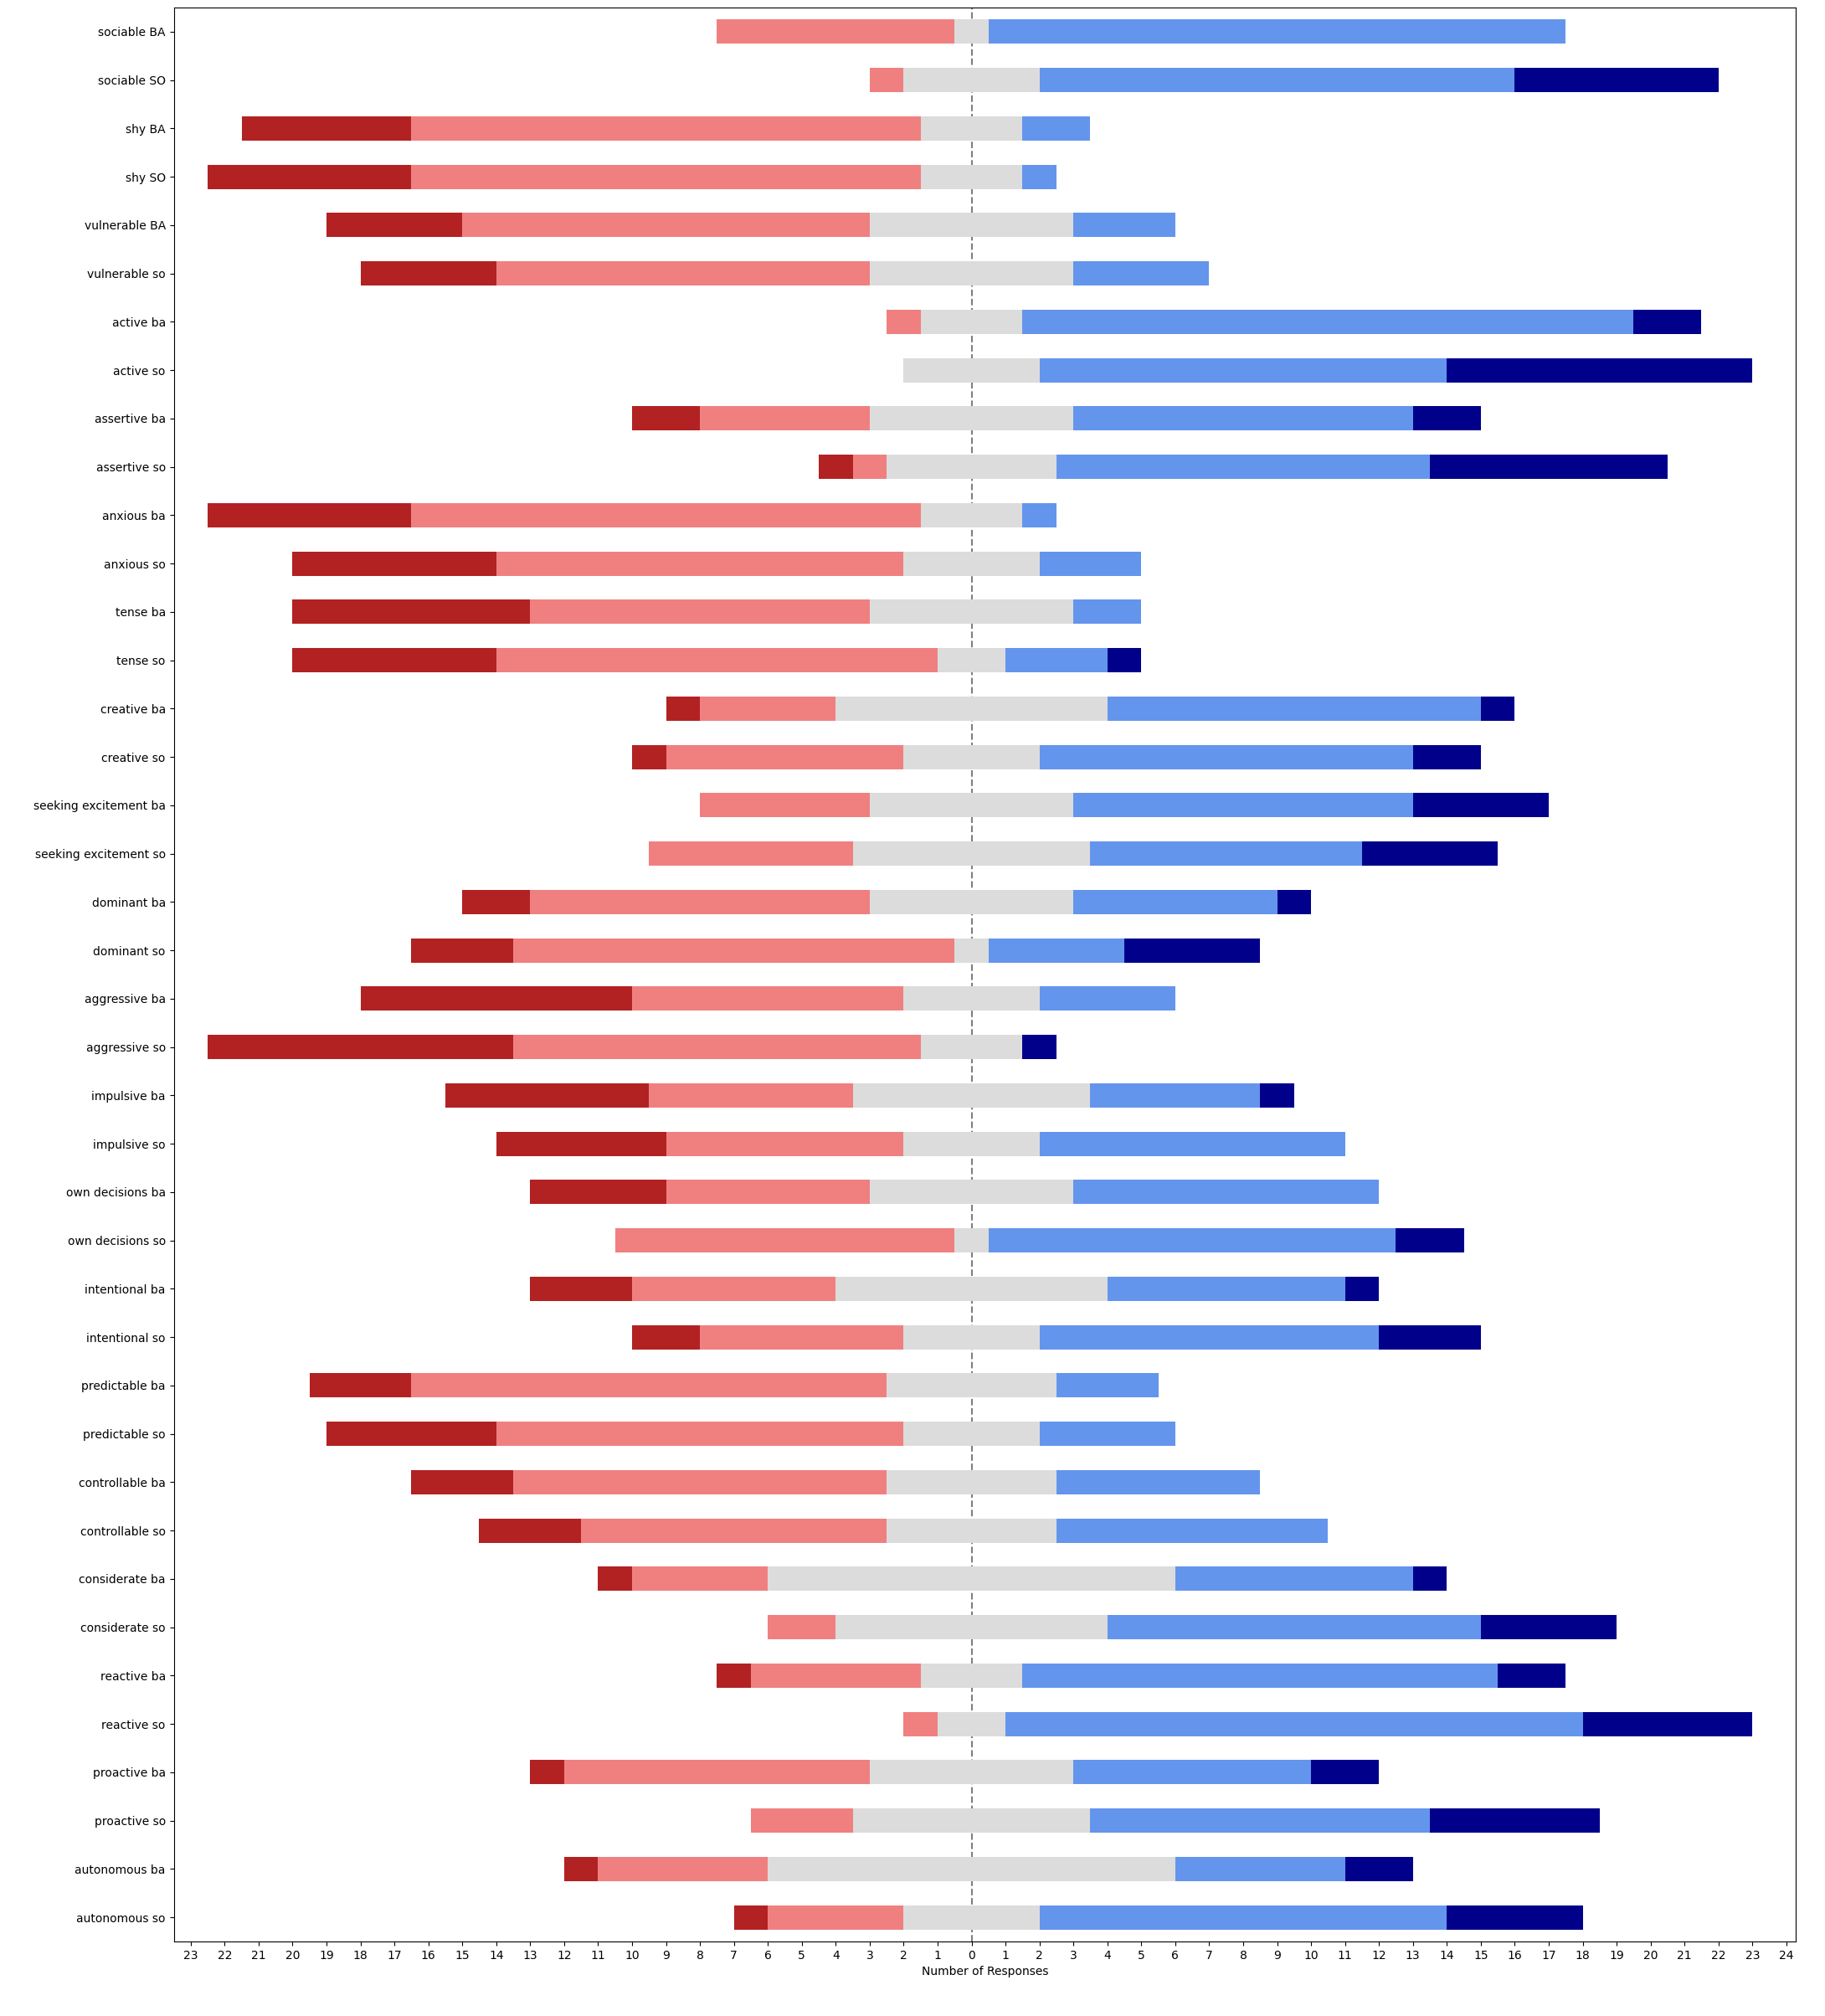
question | median_BA | median_SO | SONAR - baseline | w-alternative | w-stat | w-pval | w-zstat | significance | effect size | effect size interpretation
sociable | 4 | 4 | [1, 0, 0, 1, 0, 1, 0, 2, 2, -1, 1, 1, 2, 0, 0, 2, -1, -1, 2, 1, 0, 3, 0, -1, 0] | two-sided | 22 | 0.014059653009 | -2.4557356722 | * | 0.34729346932 | small
sociable | 4 | 4 | [1, 0, 0, 1, 0, 1, 0, 2, 2, -1, 1, 1, 2, 0, 0, 2, -1, -1, 2, 1, 0, 3, 0, -1, 0] | greater | 114 | 0.0070298265046 | 2.4557356722 | ** | 0.34729346932 | small
sociable | 4 | 4 | [1, 0, 0, 1, 0, 1, 0, 2, 2, -1, 1, 1, 2, 0, 0, 2, -1, -1, 2, 1, 0, 3, 0, -1, 0] | less | 114 | 0.9929701735 | 2.4557356722 |  | 0.34729346932 | small
shy | 2 | 2 | [0, -1, 0, 1, 0, 0, 0, 1, -1, 0, -1, 1, 1, 0, -2, 1, 0, 0, -1, 0, 1, -3, 1, 0, -1] | two-sided | 45.5 | 0.6354287248 | -0.47409982304 |  | 0.067047839965 | none
shy | 2 | 2 | [0, -1, 0, 1, 0, 0, 0, 1, -1, 0, -1, 1, 1, 0, -2, 1, 0, 0, -1, 0, 1, -3, 1, 0, -1] | greater | 45.5 | 0.6822856376 | -0.47409982304 |  | 0.067047839965 | none
shy | 2 | 2 | [0, -1, 0, 1, 0, 0, 0, 1, -1, 0, -1, 1, 1, 0, -2, 1, 0, 0, -1, 0, 1, -3, 1, 0, -1] | less | 45.5 | 0.3177143624 | -0.47409982304 |  | 0.067047839965 | none
vulnerable | 2 | 2 | [-1, -1, 0, 0, -1, 0, 1, 0, 0, 0, -1, 1, 1, 0, -2, 1, 1, 0, 0, 1, 0, 0, 1, 0, 1] | two-sided | 39 | 0.61707507745 | -0.5 |  | 0.070710678119 | none
vulnerable | 2 | 2 | [-1, -1, 0, 0, -1, 0, 1, 0, 0, 0, -1, 1, 1, 0, -2, 1, 1, 0, 0, 1, 0, 0, 1, 0, 1] | greater | 52 | 0.30853753873 | 0.5 |  | 0.070710678119 | none
vulnerable | 2 | 2 | [-1, -1, 0, 0, -1, 0, 1, 0, 0, 0, -1, 1, 1, 0, -2, 1, 1, 0, 0, 1, 0, 0, 1, 0, 1] | less | 52 | 0.69146246127 | 0.5 |  | 0.070710678119 | none
active | 4 | 4 | [1, 1, 1, 0, 0, 1, 1, 0, 1, 0, 0, 1, 1, 0, 1, -1, 0, -1, 0, 0, 1, 0, -1, 1, 1] | two-sided | 24 | 0.02013675155 | -2.3237900077 | * | 0.3286335345 | small
active | 4 | 4 | [1, 1, 1, 0, 0, 1, 1, 0, 1, 0, 0, 1, 1, 0, 1, -1, 0, -1, 0, 0, 1, 0, -1, 1, 1] | greater | 96 | 0.010068375775 | 2.3237900077 | * | 0.3286335345 | small
active | 4 | 4 | [1, 1, 1, 0, 0, 1, 1, 0, 1, 0, 0, 1, 1, 0, 1, -1, 0, -1, 0, 0, 1, 0, -1, 1, 1] | less | 96 | 0.98993162422 | 2.3237900077 |  | 0.3286335345 | small
assertive | 3 | 4 | [2, 1, -1, 1, 0, 1, 0, 2, 0, 0, 0, 4, 2, 0, 0, 0, 1, -1, 1, 1, 1, 0, 0, 2, 0] | two-sided | 10 | 0.005819816954 | -2.7577641592 | ** | 0.39000674758 | small
assertive | 3 | 4 | [2, 1, -1, 1, 0, 1, 0, 2, 0, 0, 0, 4, 2, 0, 0, 0, 1, -1, 1, 1, 1, 0, 0, 2, 0] | greater | 95 | 0.002909908477 | 2.7577641592 | ** | 0.39000674758 | small
assertive | 3 | 4 | [2, 1, -1, 1, 0, 1, 0, 2, 0, 0, 0, 4, 2, 0, 0, 0, 1, -1, 1, 1, 1, 0, 0, 2, 0] | less | 95 | 0.99709009152 | 2.7577641592 |  | 0.39000674758 | small
anxious | 2 | 2 | [-1, 0, 0, 3, 0, 2, 0, 0, 0, 0, -1, -1, 1, 1, 0, 0, 1, 0, -2, 0, 0, -1, 2, 1, 0] | two-sided | 28 | 0.37148836059 | -0.89368891007 |  | 0.12638669772 | none
anxious | 2 | 2 | [-1, 0, 0, 3, 0, 2, 0, 0, 0, 0, -1, -1, 1, 1, 0, 0, 1, 0, -2, 0, 0, -1, 2, 1, 0] | greater | 50 | 0.1857441803 | 0.89368891007 |  | 0.12638669772 | none
anxious | 2 | 2 | [-1, 0, 0, 3, 0, 2, 0, 0, 0, 0, -1, -1, 1, 1, 0, 0, 1, 0, -2, 0, 0, -1, 2, 1, 0] | less | 50 | 0.8142558197 | 0.89368891007 |  | 0.12638669772 | none
tense | 2 | 2 | [-1, 0, 0, 0, -1, 1, 0, 0, 1, 0, -1, -1, 0, 0, -1, 2, 0, 0, 0, -1, 0, 0, 0, 1, 3] | two-sided | 30 | 0.77632743683 | -0.28410823429 |  | 0.040178971811 | none
tense | 2 | 2 | [-1, 0, 0, 0, -1, 1, 0, 0, 1, 0, -1, -1, 0, 0, -1, 2, 0, 0, 0, -1, 0, 0, 0, 1, 3] | greater | 36 | 0.38816371841 | 0.28410823429 |  | 0.040178971811 | none
tense | 2 | 2 | [-1, 0, 0, 0, -1, 1, 0, 0, 1, 0, -1, -1, 0, 0, -1, 2, 0, 0, 0, -1, 0, 0, 0, 1, 3] | less | 36 | 0.61183628159 | 0.28410823429 |  | 0.040178971811 | none
creative | 3 | 4 | [1, 0, 0, -2, 0, 2, 0, 0, 0, 0, 0, 0, -1, 0, 1, -1, 1, 1, 1, -2, 1, -1, 2, -3, -1] | two-sided | 58 | 0.90620587414 | -0.11782556319 |  | 0.016663050945 | none
creative | 3 | 4 | [1, 0, 0, -2, 0, 2, 0, 0, 0, 0, 0, 0, -1, 0, 1, -1, 1, 1, 1, -2, 1, -1, 2, -3, -1] | greater | 58 | 0.54689706293 | -0.11782556319 |  | 0.016663050945 | none
creative | 3 | 4 | [1, 0, 0, -2, 0, 2, 0, 0, 0, 0, 0, 0, -1, 0, 1, -1, 1, 1, 1, -2, 1, -1, 2, -3, -1] | less | 58 | 0.45310293707 | -0.11782556319 |  | 0.016663050945 | none
seeking excitement | 4 | 3 | [1, 1, -2, -2, 2, 3, -1, 1, -2, 0, 0, 1, -1, -1, 2, 0, -2, -1, 1, -1, 0, 1, -2, -1, 0] | two-sided | 91 | 0.58991440832 | -0.53896006791 |  | 0.076220463761 | none
seeking excitement | 4 | 3 | [1, 1, -2, -2, 2, 3, -1, 1, -2, 0, 0, 1, -1, -1, 2, 0, -2, -1, 1, -1, 0, 1, -2, -1, 0] | greater | 91 | 0.70504279584 | -0.53896006791 |  | 0.076220463761 | none
seeking excitement | 4 | 3 | [1, 1, -2, -2, 2, 3, -1, 1, -2, 0, 0, 1, -1, -1, 2, 0, -2, -1, 1, -1, 0, 1, -2, -1, 0] | less | 91 | 0.29495720416 | -0.53896006791 |  | 0.076220463761 | none
dominant | 3 | 2 | [3, 2, -2, 0, 0, 3, -1, -1, -3, 0, 0, 0, -1, 0, 2, 0, 2, -1, -1, 0, 0, -2, 0, -1, 0] | two-sided | 52 | 0.97458803171 | -0.031854565504 |  | 0.004504915856 | none
dominant | 3 | 2 | [3, 2, -2, 0, 0, 3, -1, -1, -3, 0, 0, 0, -1, 0, 2, 0, 2, -1, -1, 0, 0, -2, 0, -1, 0] | greater | 53 | 0.48729401585 | 0.031854565504 |  | 0.004504915856 | none
dominant | 3 | 2 | [3, 2, -2, 0, 0, 3, -1, -1, -3, 0, 0, 0, -1, 0, 2, 0, 2, -1, -1, 0, 0, -2, 0, -1, 0] | less | 53 | 0.51270598415 | 0.031854565504 |  | 0.004504915856 | none
aggressive | 2 | 2 | [0, 0, -1, 0, 0, 3, 0, -1, 0, 0, 0, 1, -2, 0, 0, -3, 1, 0, -2, 1, 0, -3, -2, 0, 0] | two-sided | 19 | 0.2068273725 | -1.2623374885 |  | 0.17852147966 | none
aggressive | 2 | 2 | [0, 0, -1, 0, 0, 3, 0, -1, 0, 0, 0, 1, -2, 0, 0, -3, 1, 0, -2, 1, 0, -3, -2, 0, 0] | greater | 19 | 0.89658631375 | -1.2623374885 |  | 0.17852147966 | none
aggressive | 2 | 2 | [0, 0, -1, 0, 0, 3, 0, -1, 0, 0, 0, 1, -2, 0, 0, -3, 1, 0, -2, 1, 0, -3, -2, 0, 0] | less | 19 | 0.10341368625 | -1.2623374885 |  | 0.17852147966 | none
impulsive | 3 | 3 | [3, 0, -2, 0, 0, 2, -1, 1, 0, 3, 0, 0, -2, 0, 2, 2, -1, -1, 0, 2, 0, -1, -2, -2, 0] | two-sided | 50 | 0.56165771501 | -0.58038100009 |  | 0.082078268167 | none
impulsive | 3 | 3 | [3, 0, -2, 0, 0, 2, -1, 1, 0, 3, 0, 0, -2, 0, 2, 2, -1, -1, 0, 2, 0, -1, -2, -2, 0] | greater | 70 | 0.28082885751 | 0.58038100009 |  | 0.082078268167 | none
impulsive | 3 | 3 | [3, 0, -2, 0, 0, 2, -1, 1, 0, 3, 0, 0, -2, 0, 2, 2, -1, -1, 0, 2, 0, -1, -2, -2, 0] | less | 70 | 0.71917114249 | 0.58038100009 |  | 0.082078268167 | none
own decisions | 3 | 4 | [2, 3, 0, 1, 0, 0, -1, 0, -1, 0, 1, 0, 0, 2, 2, -1, 1, -1, 2, 0, 0, -1, 1, -2, 3] | two-sided | 37 | 0.10056263992 | -1.6421320547 |  | 0.23223254229 | small
own decisions | 3 | 4 | [2, 3, 0, 1, 0, 0, -1, 0, -1, 0, 1, 0, 0, 2, 2, -1, 1, -1, 2, 0, 0, -1, 1, -2, 3] | greater | 99 | 0.050281319959 | 1.6421320547 |  | 0.23223254229 | small
own decisions | 3 | 4 | [2, 3, 0, 1, 0, 0, -1, 0, -1, 0, 1, 0, 0, 2, 2, -1, 1, -1, 2, 0, 0, -1, 1, -2, 3] | less | 99 | 0.94971868004 | 1.6421320547 |  | 0.23223254229 | small
intentional | 3 | 4 | [2, 2, -2, 0, 1, 3, 0, 1, 1, 2, 0, 0, 0, 0, 1, -2, -1, -1, 0, 0, 0, 2, 0, -2, 2] | two-sided | 38.5 | 0.21074727422 | -1.2515132729 |  | 0.1769907044 | none
intentional | 3 | 4 | [2, 2, -2, 0, 1, 3, 0, 1, 1, 2, 0, 0, 0, 0, 1, -2, -1, -1, 0, 0, 0, 2, 0, -2, 2] | greater | 81.5 | 0.10537363711 | 1.2515132729 |  | 0.1769907044 | none
intentional | 3 | 4 | [2, 2, -2, 0, 1, 3, 0, 1, 1, 2, 0, 0, 0, 0, 1, -2, -1, -1, 0, 0, 0, 2, 0, -2, 2] | less | 81.5 | 0.89462636289 | 1.2515132729 |  | 0.1769907044 | none
predictable | 2 | 2 | [-1, -1, 1, 0, 2, -1, 1, -2, 0, 0, 1, -2, 0, 0, 0, 0, 0, 1, -1, 0, 1, 0, -2, 2, 0] | two-sided | 49 | 0.81987168455 | -0.22771001702 |  | 0.032203059436 | none
predictable | 2 | 2 | [-1, -1, 1, 0, 2, -1, 1, -2, 0, 0, 1, -2, 0, 0, 0, 0, 0, 1, -1, 0, 1, 0, -2, 2, 0] | greater | 49 | 0.59006415772 | -0.22771001702 |  | 0.032203059436 | none
predictable | 2 | 2 | [-1, -1, 1, 0, 2, -1, 1, -2, 0, 0, 1, -2, 0, 0, 0, 0, 0, 1, -1, 0, 1, 0, -2, 2, 0] | less | 49 | 0.40993584228 | -0.22771001702 |  | 0.032203059436 | none
controllable | 2 | 3 | [-1, -1, 2, 0, 1, 0, 1, 1, -1, 0, 1, 1, 2, -1, -1, 0, 0, 0, 1, 0, 0, 0, -1, 0, 0] | two-sided | 39 | 0.36040290693 | -0.91459762322 |  | 0.12934363629 | none
controllable | 2 | 3 | [-1, -1, 2, 0, 1, 0, 1, 1, -1, 0, 1, 1, 2, -1, -1, 0, 0, 0, 1, 0, 0, 0, -1, 0, 0] | greater | 66 | 0.18020145347 | 0.91459762322 |  | 0.12934363629 | none
controllable | 2 | 3 | [-1, -1, 2, 0, 1, 0, 1, 1, -1, 0, 1, 1, 2, -1, -1, 0, 0, 0, 1, 0, 0, 0, -1, 0, 0] | less | 66 | 0.81979854653 | 0.91459762322 |  | 0.12934363629 | none
considerate | 3 | 4 | [1, 0, 3, 1, 1, 1, 0, 1, 2, 0, 0, 0, 2, -1, 0, 1, -2, 0, 0, -1, 0, 2, 3, 0, 0] | two-sided | 19.5 | 0.033848789253 | -2.1218684175 | * | 0.30007750937 | small
considerate | 3 | 4 | [1, 0, 3, 1, 1, 1, 0, 1, 2, 0, 0, 0, 2, -1, 0, 1, -2, 0, 0, -1, 0, 2, 3, 0, 0] | greater | 85.5 | 0.016924394627 | 2.1218684175 | * | 0.30007750937 | small
considerate | 3 | 4 | [1, 0, 3, 1, 1, 1, 0, 1, 2, 0, 0, 0, 2, -1, 0, 1, -2, 0, 0, -1, 0, 2, 3, 0, 0] | less | 85.5 | 0.98307560537 | 2.1218684175 |  | 0.30007750937 | small
reactive | 4 | 4 | [0, -1, 1, 1, 0, 2, 0, 0, 0, 3, 0, 1, 3, 0, 2, 0, -1, 0, 2, 0, 0, 0, 2, -1, 1] | two-sided | 12 | 0.016822180766 | -2.3905713371 | * | 0.33807784067 | small
reactive | 4 | 4 | [0, -1, 1, 1, 0, 2, 0, 0, 0, 3, 0, 1, 3, 0, 2, 0, -1, 0, 2, 0, 0, 0, 2, -1, 1] | greater | 79 | 0.0084110903829 | 2.3905713371 | ** | 0.33807784067 | small
reactive | 4 | 4 | [0, -1, 1, 1, 0, 2, 0, 0, 0, 3, 0, 1, 3, 0, 2, 0, -1, 0, 2, 0, 0, 0, 2, -1, 1] | less | 79 | 0.99158890962 | 2.3905713371 |  | 0.33807784067 | small
proactive | 3 | 4 | [2, 0, 1, -2, 0, 3, 2, 2, 0, 2, -1, 3, -1, 0, 2, -1, 1, 0, 2, 0, 0, 0, 1, -1, 2] | two-sided | 27.5 | 0.017943743398 | -2.3667769496 | * | 0.33471280612 | small
proactive | 3 | 4 | [2, 0, 1, -2, 0, 3, 2, 2, 0, 2, -1, 3, -1, 0, 2, -1, 1, 0, 2, 0, 0, 0, 1, -1, 2] | greater | 125.5 | 0.008971871699 | 2.3667769496 | ** | 0.33471280612 | small
proactive | 3 | 4 | [2, 0, 1, -2, 0, 3, 2, 2, 0, 2, -1, 3, -1, 0, 2, -1, 1, 0, 2, 0, 0, 0, 1, -1, 2] | less | 125.5 | 0.9910281283 | 2.3667769496 |  | 0.33471280612 | small
autonomous | 3 | 4 | [2, 1, 1, -2, 1, 1, 0, 1, 1, 1, -1, 1, 2, 0, 1, 0, 0, -1, 1, 0, 1, 1, 0, 0, 0] | two-sided | 31 | 0.021037415324 | -2.3073123178 | * | 0.32630323724 | small
autonomous | 3 | 4 | [2, 1, 1, -2, 1, 1, 0, 1, 1, 1, -1, 1, 2, 0, 1, 0, 0, -1, 1, 0, 1, 1, 0, 0, 0] | greater | 122 | 0.010518707662 | 2.3073123178 | * | 0.32630323724 | small
autonomous | 3 | 4 | [2, 1, 1, -2, 1, 1, 0, 1, 1, 1, -1, 1, 2, 0, 1, 0, 0, -1, 1, 0, 1, 1, 0, 0, 0] | less | 122 | 0.98948129234 | 2.3073123178 |  | 0.32630323724 | small

usus_us_befaft_stats
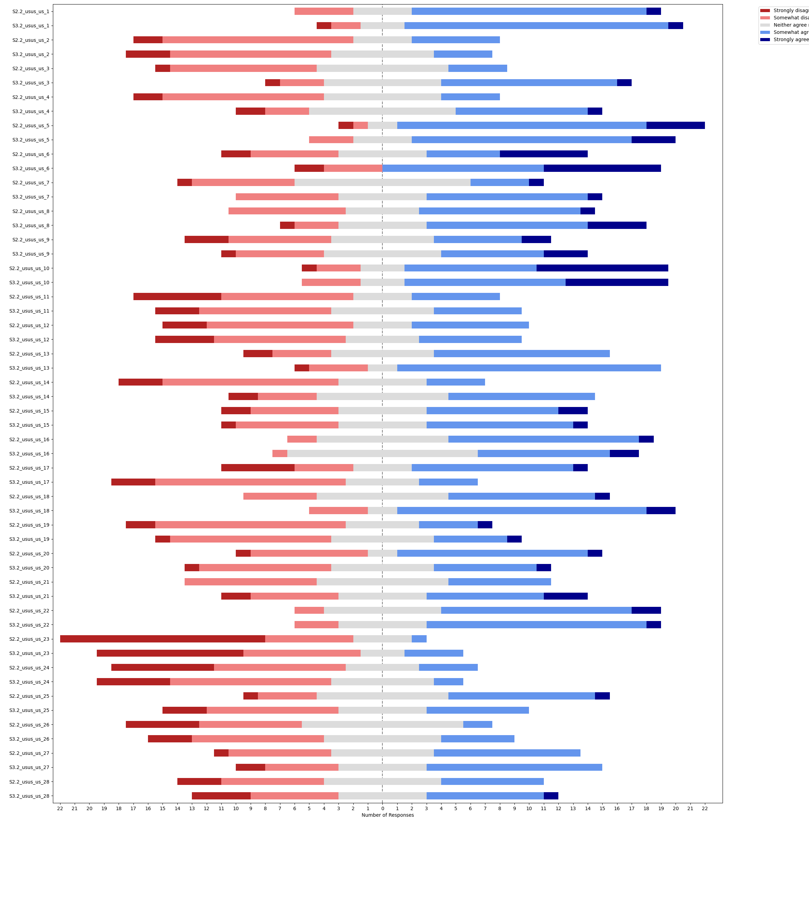
question | question | median_BA | median_SO | SONAR - baseline | w-alternative | w-stat | w-pval | w-zstat | significance | effect size | effect size interpretation
s3.2_usus_us_1 | easy familiarize | 4 | 4 | [0, 0, 0, 1, 0, 1, 2, 0, 0, 0, -2, 2, 0, -1, 1, 0, 0, 1, -2, -1, 1, -1, -1, 0, 1] | two-sided | 47 | 0.71795741203 | -0.36119000682 |  | 0.051079980623 | none
s3.2_usus_us_1 | easy familiarize | 4 | 4 | [0, 0, 0, 1, 0, 1, 2, 0, 0, 0, -2, 2, 0, -1, 1, 0, 0, 1, -2, -1, 1, -1, -1, 0, 1] | greater | 58 | 0.35897870601 | 0.36119000682 |  | 0.051079980623 | none
s3.2_usus_us_1 | easy familiarize | 4 | 4 | [0, 0, 0, 1, 0, 1, 2, 0, 0, 0, -2, 2, 0, -1, 1, 0, 0, 1, -2, -1, 1, -1, -1, 0, 1] | less | 58 | 0.64102129399 | 0.36119000682 |  | 0.051079980623 | none
s3.2_usus_us_2 | predictable | 2 | 2 | [-1, -1, -1, 2, 0, 0, 0, 1, 0, -1, 0, 0, 2, 0, -1, 0, 0, -2, 0, 0, -1, 1, 0, 0, 0] | two-sided | 29 | 0.70974864817 | -0.37219368416 |  | 0.052636135597 | none
s3.2_usus_us_2 | predictable | 2 | 2 | [-1, -1, -1, 2, 0, 0, 0, 1, 0, -1, 0, 0, 2, 0, -1, 0, 0, -2, 0, 0, -1, 1, 0, 0, 0] | greater | 29 | 0.64512567591 | -0.37219368416 |  | 0.052636135597 | none
s3.2_usus_us_2 | predictable | 2 | 2 | [-1, -1, -1, 2, 0, 0, 0, 1, 0, -1, 0, 0, 2, 0, -1, 0, 0, -2, 0, 0, -1, 1, 0, 0, 0] | less | 29 | 0.35487432409 | -0.37219368416 |  | 0.052636135597 | none
s3.2_usus_us_3 | verbal-non-verbal | 3 | 4 | [0, 0, 0, 2, 2, 1, 1, 0, 0, 1, 1, 2, 2, 0, 0, 1, 2, 0, -1, 1, 1, 1, -2, 1, 1] | two-sided | 20.5 | 0.0059412880767 | -2.7510042044 | ** | 0.3890507456 | small
s3.2_usus_us_3 | verbal-non-verbal | 3 | 4 | [0, 0, 0, 2, 2, 1, 1, 0, 0, 1, 1, 2, 2, 0, 0, 1, 2, 0, -1, 1, 1, 1, -2, 1, 1] | greater | 132.5 | 0.0029706440384 | 2.7510042044 | ** | 0.3890507456 | small
s3.2_usus_us_3 | verbal-non-verbal | 3 | 4 | [0, 0, 0, 2, 2, 1, 1, 0, 0, 1, 1, 2, 2, 0, 0, 1, 2, 0, -1, 1, 1, 1, -2, 1, 1] | less | 132.5 | 0.99702935596 | 2.7510042044 |  | 0.3890507456 | small
s3.2_usus_us_4 | self correct | 2 | 3 | [0, 0, -1, 1, 1, 2, 0, 0, 0, 1, -1, 1, 0, 2, 1, 1, 2, 2, 0, 1, -1, 1, 0, 1, 1] | two-sided | 21 | 0.0054907756722 | -2.7767360027 | ** | 0.39268977141 | small
s3.2_usus_us_4 | self correct | 2 | 3 | [0, 0, -1, 1, 1, 2, 0, 0, 0, 1, -1, 1, 0, 2, 1, 1, 2, 2, 0, 1, -1, 1, 0, 1, 1] | greater | 132 | 0.0027453878361 | 2.7767360027 | ** | 0.39268977141 | small
s3.2_usus_us_4 | self correct | 2 | 3 | [0, 0, -1, 1, 1, 2, 0, 0, 0, 1, -1, 1, 0, 2, 1, 1, 2, 2, 0, 1, -1, 1, 0, 1, 1] | less | 132 | 0.99725461216 | 2.7767360027 |  | 0.39268977141 | small
s3.2_usus_us_5 | responsive | 4 | 4 | [0, -1, 0, -2, 0, 0, 1, -1, -1, 0, -1, 1, 0, 1, 0, 1, -1, 0, -1, 0, 0, 0, -1, 1, 0] | two-sided | 32.5 | 0.31731050786 | -1 |  | 0.14142135624 | none
s3.2_usus_us_5 | responsive | 4 | 4 | [0, -1, 0, -2, 0, 0, 1, -1, -1, 0, -1, 1, 0, 1, 0, 1, -1, 0, -1, 0, 0, 0, -1, 1, 0] | greater | 32.5 | 0.84134474607 | -1 |  | 0.14142135624 | none
s3.2_usus_us_5 | responsive | 4 | 4 | [0, -1, 0, -2, 0, 0, 1, -1, -1, 0, -1, 1, 0, 1, 0, 1, -1, 0, -1, 0, 0, 0, -1, 1, 0] | less | 32.5 | 0.15865525393 | -1 |  | 0.14142135624 | none
s3.2_usus_us_6 | stable | 3 | 4 | [1, 0, 0, 1, -2, 1, 0, 1, 1, 0, -1, 0, 2, 0, 2, 0, -1, 2, 0, 0, 1, 0, 0, 3, 1] | two-sided | 21.5 | 0.04426785652 | -2.011545622 | * | 0.28447551 | small
s3.2_usus_us_6 | stable | 3 | 4 | [1, 0, 0, 1, -2, 1, 0, 1, 1, 0, -1, 0, 2, 0, 2, 0, -1, 2, 0, 0, 1, 0, 0, 3, 1] | greater | 83.5 | 0.02213392826 | 2.011545622 | * | 0.28447551 | small
s3.2_usus_us_6 | stable | 3 | 4 | [1, 0, 0, 1, -2, 1, 0, 1, 1, 0, -1, 0, 2, 0, 2, 0, -1, 2, 0, 0, 1, 0, 0, 3, 1] | less | 83.5 | 0.97786607174 | 2.011545622 |  | 0.28447551 | small
s3.2_usus_us_7 | multiple tasks | 3 | 3 | [-1, 0, -1, 0, 1, 0, 2, 0, 0, 1, -1, 2, 2, -1, -1, 0, 0, 0, 0, 1, 0, 1, 0, 2, 2] | two-sided | 25 | 0.07359064004 | -1.7891501337 |  | 0.25302403843 | small
s3.2_usus_us_7 | multiple tasks | 3 | 3 | [-1, 0, -1, 0, 1, 0, 2, 0, 0, 1, -1, 2, 2, -1, -1, 0, 0, 0, 0, 1, 0, 1, 0, 2, 2] | greater | 80 | 0.03679532002 | 1.7891501337 | * | 0.25302403843 | small
s3.2_usus_us_7 | multiple tasks | 3 | 3 | [-1, 0, -1, 0, 1, 0, 2, 0, 0, 1, -1, 2, 2, -1, -1, 0, 0, 0, 0, 1, 0, 1, 0, 2, 2] | less | 80 | 0.96320467998 | 1.7891501337 |  | 0.25302403843 | small
s3.2_usus_us_8 | many skills | 3 | 4 | [0, 0, 0, 0, 2, 0, 2, 0, 0, 0, -1, 3, 2, 1, 2, -1, 1, -1, -3, 0, 0, 0, -1, 1, 2] | two-sided | 29.5 | 0.14100815742 | -1.4720471063 |  | 0.20817889821 | small
s3.2_usus_us_8 | many skills | 3 | 4 | [0, 0, 0, 0, 2, 0, 2, 0, 0, 0, -1, 3, 2, 1, 2, -1, 1, -1, -3, 0, 0, 0, -1, 1, 2] | greater | 75.5 | 0.070504078709 | 1.4720471063 |  | 0.20817889821 | small
s3.2_usus_us_8 | many skills | 3 | 4 | [0, 0, 0, 0, 2, 0, 2, 0, 0, 0, -1, 3, 2, 1, 2, -1, 1, -1, -3, 0, 0, 0, -1, 1, 2] | less | 75.5 | 0.92949592129 | 1.4720471063 |  | 0.20817889821 | small
s3.2_usus_us_9 | us as companion | 3 | 3 | [0, -1, 0, 0, 0, 0, 1, 0, 1, 1, -2, 3, 0, 0, 2, 0, 0, -1, -1, 0, 0, 0, 1, 2, 2] | two-sided | 21.5 | 0.15882128759 | -1.4090469439 |  | 0.19926932981 | none
s3.2_usus_us_9 | us as companion | 3 | 3 | [0, -1, 0, 0, 0, 0, 1, 0, 1, 1, -2, 3, 0, 0, 2, 0, 0, -1, -1, 0, 0, 0, 1, 2, 2] | greater | 56.5 | 0.079410643794 | 1.4090469439 |  | 0.19926932981 | none
s3.2_usus_us_9 | us as companion | 3 | 3 | [0, -1, 0, 0, 0, 0, 1, 0, 1, 1, -2, 3, 0, 0, 2, 0, 0, -1, -1, 0, 0, 0, 1, 2, 2] | less | 56.5 | 0.92058935621 | 1.4090469439 |  | 0.19926932981 | none
s3.2_usus_us_10 | us for entert | 4 | 4 | [0, 0, 0, 0, 0, 0, -1, 0, 1, 0, -3, 2, 0, 0, 2, 0, 0, 0, -1, 0, 0, -1, 0, -1, 1] | two-sided | 22 | 0.95120072124 | -0.061199006136 |  | 0.0086548464482 | none
s3.2_usus_us_10 | us for entert | 4 | 4 | [0, 0, 0, 0, 0, 0, -1, 0, 1, 0, -3, 2, 0, 0, 2, 0, 0, 0, -1, 0, 0, -1, 0, -1, 1] | greater | 22 | 0.52439963938 | -0.061199006136 |  | 0.0086548464482 | none
s3.2_usus_us_10 | us for entert | 4 | 4 | [0, 0, 0, 0, 0, 0, -1, 0, 1, 0, -3, 2, 0, 0, 2, 0, 0, 0, -1, 0, 0, -1, 0, -1, 1] | less | 22 | 0.47560036062 | -0.061199006136 |  | 0.0086548464482 | none
s3.2_usus_us_11 | helplve tasks | 2 | 3 | [0, 0, 0, 0, 0, 0, 0, 0, 1, 1, 0, 2, 0, 1, 2, 0, -2, 0, 0, 0, 0, 0, 0, -1, 2] | two-sided | 9 | 0.1962447266 | -1.2923246855 |  | 0.18276230972 | none
s3.2_usus_us_11 | helplve tasks | 2 | 3 | [0, 0, 0, 0, 0, 0, 0, 0, 1, 1, 0, 2, 0, 1, 2, 0, -2, 0, 0, 0, 0, 0, 0, -1, 2] | greater | 27 | 0.098122363302 | 1.2923246855 |  | 0.18276230972 | none
s3.2_usus_us_11 | helplve tasks | 2 | 3 | [0, 0, 0, 0, 0, 0, 0, 0, 1, 1, 0, 2, 0, 1, 2, 0, -2, 0, 0, 0, 0, 0, 0, -1, 2] | less | 27 | 0.9018776367 | 1.2923246855 |  | 0.18276230972 | none
s3.2_usus_us_12 | supporting | 2 | 2 | [0, 1, 0, 0, 0, 1, -1, 0, 1, 0, -2, 2, 0, -1, 1, 0, -2, 0, -3, 0, 0, 0, 0, 0, 1] | two-sided | 29 | 0.71385817516 | -0.36667939881 |  | 0.051856297884 | none
s3.2_usus_us_12 | supporting | 2 | 2 | [0, 1, 0, 0, 0, 1, -1, 0, 1, 0, -2, 2, 0, -1, 1, 0, -2, 0, -3, 0, 0, 0, 0, 0, 1] | greater | 29 | 0.64307091242 | -0.36667939881 |  | 0.051856297884 | none
s3.2_usus_us_12 | supporting | 2 | 2 | [0, 1, 0, 0, 0, 1, -1, 0, 1, 0, -2, 2, 0, -1, 1, 0, -2, 0, -3, 0, 0, 0, 0, 0, 1] | less | 29 | 0.35692908758 | -0.36667939881 |  | 0.051856297884 | none
s3.2_usus_us_13 | word steering | 3 | 4 | [1, 0, 0, 1, 0, 1, 1, 0, -1, 0, -1, 2, 1, 1, 0, 0, 0, 0, 0, 0, 2, 0, -2, 2, 0] | two-sided | 19.5 | 0.11224049346 | -1.5882027766 |  | 0.22460579065 | small
s3.2_usus_us_13 | word steering | 3 | 4 | [1, 0, 0, 1, 0, 1, 1, 0, -1, 0, -1, 2, 1, 1, 0, 0, 0, 0, 0, 0, 2, 0, -2, 2, 0] | greater | 58.5 | 0.056120246728 | 1.5882027766 |  | 0.22460579065 | small
s3.2_usus_us_13 | word steering | 3 | 4 | [1, 0, 0, 1, 0, 1, 1, 0, -1, 0, -1, 2, 1, 1, 0, 0, 0, 0, 0, 0, 2, 0, -2, 2, 0] | less | 58.5 | 0.94387975327 | 1.5882027766 |  | 0.22460579065 | small
s3.2_usus_us_14 | beh steering | 2 | 3 | [2, -1, 0, 1, 2, 1, 1, 0, -1, 1, 2, 2, 1, 0, 1, 0, 2, 2, -2, 0, 2, 1, -2, -1, 2] | two-sided | 47.5 | 0.027026861188 | -2.2111296366 | * | 0.31270095203 | small
s3.2_usus_us_14 | beh steering | 2 | 3 | [2, -1, 0, 1, 2, 1, 1, 0, -1, 1, 2, 2, 1, 0, 1, 0, 2, 2, -2, 0, 2, 1, -2, -1, 2] | greater | 162.5 | 0.013513430594 | 2.2111296366 | * | 0.31270095203 | small
s3.2_usus_us_14 | beh steering | 2 | 3 | [2, -1, 0, 1, 2, 1, 1, 0, -1, 1, 2, 2, 1, 0, 1, 0, 2, 2, -2, 0, 2, 1, -2, -1, 2] | less | 162.5 | 0.98648656941 | 2.2111296366 |  | 0.31270095203 | small
s3.2_usus_us_15 | easy to interact | 3 | 3 | [1, -1, -1, 0, -1, 0, 0, -1, 0, 0, -2, 3, 0, 0, 0, 0, 1, 0, 0, 0, 2, -1, 0, 0, 0] | two-sided | 26.5 | 0.91564151872 | -0.10592542827 |  | 0.014980117725 | none
s3.2_usus_us_15 | easy to interact | 3 | 3 | [1, -1, -1, 0, -1, 0, 0, -1, 0, 0, -2, 3, 0, 0, 0, 0, 1, 0, 0, 0, 2, -1, 0, 0, 0] | greater | 26.5 | 0.54217924064 | -0.10592542827 |  | 0.014980117725 | none
s3.2_usus_us_15 | easy to interact | 3 | 3 | [1, -1, -1, 0, -1, 0, 0, -1, 0, 0, -2, 3, 0, 0, 0, 0, 1, 0, 0, 0, 2, -1, 0, 0, 0] | less | 26.5 | 0.45782075936 | -0.10592542827 |  | 0.014980117725 | none
s3.2_usus_us_16 | good idea to use | 4 | 3 | [0, 0, 0, 1, 0, 0, -1, 0, 0, 1, -1, 0, 0, 0, 0, 0, 0, -1, -1, 0, 0, 0, 0, -1, 2] | two-sided | 16 | 0.76302460055 | -0.30151134458 |  | 0.042640143271 | none
s3.2_usus_us_16 | good idea to use | 4 | 3 | [0, 0, 0, 1, 0, 0, -1, 0, 0, 1, -1, 0, 0, 0, 0, 0, 0, -1, -1, 0, 0, 0, 0, -1, 2] | greater | 16 | 0.61848769972 | -0.30151134458 |  | 0.042640143271 | none
s3.2_usus_us_16 | good idea to use | 4 | 3 | [0, 0, 0, 1, 0, 0, -1, 0, 0, 1, -1, 0, 0, 0, 0, 0, 0, -1, -1, 0, 0, 0, 0, -1, 2] | less | 16 | 0.38151230028 | -0.30151134458 |  | 0.042640143271 | none
s3.2_usus_us_17 | afraid mistakes | 3 | 2 | [-1, 2, 0, -1, -2, 0, -1, 0, -2, -1, 0, 1, 1, 0, -2, -2, -2, 1, 0, 0, 0, -2, 0, -1, -2] | two-sided | 26 | 0.02538884116 | -2.2354344407 | * | 0.31613817039 | small
s3.2_usus_us_17 | afraid mistakes | 3 | 2 | [-1, 2, 0, -1, -2, 0, -1, 0, -2, -1, 0, 1, 1, 0, -2, -2, -2, 1, 0, 0, 0, -2, 0, -1, -2] | greater | 26 | 0.98730557942 | -2.2354344407 |  | 0.31613817039 | small
s3.2_usus_us_17 | afraid mistakes | 3 | 2 | [-1, 2, 0, -1, -2, 0, -1, 0, -2, -1, 0, 1, 1, 0, -2, -2, -2, 1, 0, 0, 0, -2, 0, -1, -2] | less | 26 | 0.01269442058 | -2.2354344407 | * | 0.31613817039 | small
s3.2_usus_us_18 | comfortable | 3 | 4 | [0, -1, 0, 1, 0, 0, 2, 1, 0, 1, -1, 2, 0, 1, 2, 0, 0, -1, -1, 0, -1, 1, 0, 3, 1] | two-sided | 30 | 0.074022542925 | -1.7864740025 |  | 0.25264557632 | small
s3.2_usus_us_18 | comfortable | 3 | 4 | [0, -1, 0, 1, 0, 0, 2, 1, 0, 1, -1, 2, 0, 1, 2, 0, 0, -1, -1, 0, -1, 1, 0, 3, 1] | greater | 90 | 0.037011271463 | 1.7864740025 | * | 0.25264557632 | small
s3.2_usus_us_18 | comfortable | 3 | 4 | [0, -1, 0, 1, 0, 0, 2, 1, 0, 1, -1, 2, 0, 1, 2, 0, 0, -1, -1, 0, -1, 1, 0, 3, 1] | less | 90 | 0.96298872854 | 1.7864740025 |  | 0.25264557632 | small
s3.2_usus_us_19 | help needed | 2 | 3 | [0, -1, 1, 1, 0, 0, -1, 0, 0, 0, 0, 1, 0, -2, -1, 0, 0, 2, 2, -1, 1, 0, 2, 1, 0] | two-sided | 31.5 | 0.30787082952 | -1.019699857 |  | 0.14420733673 | none
s3.2_usus_us_19 | help needed | 2 | 3 | [0, -1, 1, 1, 0, 0, -1, 0, 0, 0, 0, 1, 0, -2, -1, 0, 0, 2, 2, -1, 1, 0, 2, 1, 0] | greater | 59.5 | 0.15393541476 | 1.019699857 |  | 0.14420733673 | none
s3.2_usus_us_19 | help needed | 2 | 3 | [0, -1, 1, 1, 0, 0, -1, 0, 0, 0, 0, 1, 0, -2, -1, 0, 0, 2, 2, -1, 1, 0, 2, 1, 0] | less | 59.5 | 0.84606458524 | 1.019699857 |  | 0.14420733673 | none
s3.2_usus_us_20 | no help needed | 4 | 3 | [-2, -1, -1, 0, 0, 0, 1, 0, 0, 0, -1, 0, 0, 2, -1, -1, 0, -2, 0, 1, -2, 0, 0, 0, 0] | two-sided | 17.5 | 0.15404694742 | -1.4253815186 |  | 0.20157938752 | small
s3.2_usus_us_20 | no help needed | 4 | 3 | [-2, -1, -1, 0, 0, 0, 1, 0, 0, 0, -1, 0, 0, 2, -1, -1, 0, -2, 0, 1, -2, 0, 0, 0, 0] | greater | 17.5 | 0.92297652629 | -1.4253815186 |  | 0.20157938752 | small
s3.2_usus_us_20 | no help needed | 4 | 3 | [-2, -1, -1, 0, 0, 0, 1, 0, 0, 0, -1, 0, 0, 2, -1, -1, 0, -2, 0, 1, -2, 0, 0, 0, 0] | less | 17.5 | 0.077023473711 | -1.4253815186 |  | 0.20157938752 | small
s3.2_usus_us_21 | training needed | 3 | 3 | [0, 1, 0, 0, 0, 0, 1, -2, -1, 1, 1, -2, 0, 0, 0, -1, 0, 2, 3, 0, -1, 0, 1, 0, 3] | two-sided | 33.5 | 0.38847641662 | -0.8623836829 |  | 0.12195947003 | none
s3.2_usus_us_21 | training needed | 3 | 3 | [0, 1, 0, 0, 0, 0, 1, -2, -1, 1, 1, -2, 0, 0, 0, -1, 0, 2, 3, 0, -1, 0, 1, 0, 3] | greater | 57.5 | 0.19423820831 | 0.8623836829 |  | 0.12195947003 | none
s3.2_usus_us_21 | training needed | 3 | 3 | [0, 1, 0, 0, 0, 0, 1, -2, -1, 1, 1, -2, 0, 0, 0, -1, 0, 2, 3, 0, -1, 0, 1, 0, 3] | less | 57.5 | 0.80576179169 | 0.8623836829 |  | 0.12195947003 | none
s3.2_usus_us_22 | likable | 4 | 4 | [1, 1, 0, 0, 0, 0, 0, -1, -1, 1, -1, 0, 0, 0, 0, 0, -1, -2, 1, 0, 0, 0, 1, 0, 0] | two-sided | 25 | 0.781511295 | -0.27735009811 |  | 0.039223227028 | none
s3.2_usus_us_22 | likable | 4 | 4 | [1, 1, 0, 0, 0, 0, 0, -1, -1, 1, -1, 0, 0, 0, 0, 0, -1, -2, 1, 0, 0, 0, 1, 0, 0] | greater | 25 | 0.6092443525 | -0.27735009811 |  | 0.039223227028 | none
s3.2_usus_us_22 | likable | 4 | 4 | [1, 1, 0, 0, 0, 0, 0, -1, -1, 1, -1, 0, 0, 0, 0, 0, -1, -2, 1, 0, 0, 0, 1, 0, 0] | less | 25 | 0.3907556475 | -0.27735009811 |  | 0.039223227028 | none
s3.2_usus_us_23 | threatening | 1 | 2 | [-1, 1, 1, 1, -2, 2, 0, 0, 1, 1, 0, 1, 0, 0, 1, 0, 0, 3, 0, 0, 0, 0, 0, 0, 0] | two-sided | 14 | 0.077554191603 | -1.7650569695 |  | 0.24961675047 | small
s3.2_usus_us_23 | threatening | 1 | 2 | [-1, 1, 1, 1, -2, 2, 0, 0, 1, 1, 0, 1, 0, 0, 1, 0, 0, 3, 0, 0, 0, 0, 0, 0, 0] | greater | 52 | 0.038777095802 | 1.7650569695 | * | 0.24961675047 | small
s3.2_usus_us_23 | threatening | 1 | 2 | [-1, 1, 1, 1, -2, 2, 0, 0, 1, 1, 0, 1, 0, 0, 1, 0, 0, 3, 0, 0, 0, 0, 0, 0, 0] | less | 52 | 0.9612229042 | 1.7650569695 |  | 0.24961675047 | small
s3.2_usus_us_24 | sth in common | 2 | 2 | [0, 0, 1, -1, 0, 1, 0, 0, 1, 0, -1, 1, -1, -1, 0, -1, 0, 0, -1, 1, -1, 0, 0, 0, 2] | two-sided | 45.5 | 1 | 0 |  | 0 | none
s3.2_usus_us_24 | sth in common | 2 | 2 | [0, 0, 1, -1, 0, 1, 0, 0, 1, 0, -1, 1, -1, -1, 0, -1, 0, 0, -1, 1, -1, 0, 0, 0, 2] | greater | 45.5 | 0.5 | 0 |  | 0 | none
s3.2_usus_us_24 | sth in common | 2 | 2 | [0, 0, 1, -1, 0, 1, 0, 0, 1, 0, -1, 1, -1, -1, 0, -1, 0, 0, -1, 1, -1, 0, 0, 0, 2] | less | 45.5 | 0.5 | 0 |  | 0 | none
s3.2_usus_us_25 | could trust | 3 | 3 | [0, 1, 0, -1, 1, -1, -3, -1, 0, 1, -1, 1, -1, -2, 0, 0, -4, -2, -2, 0, 0, 0, 0, -1, 1] | two-sided | 30 | 0.041063065469 | -2.0428926562 | * | 0.28890865008 | small
s3.2_usus_us_25 | could trust | 3 | 3 | [0, 1, 0, -1, 1, -1, -3, -1, 0, 1, -1, 1, -1, -2, 0, 0, -4, -2, -2, 0, 0, 0, 0, -1, 1] | greater | 30 | 0.97946846727 | -2.0428926562 |  | 0.28890865008 | small
s3.2_usus_us_25 | could trust | 3 | 3 | [0, 1, 0, -1, 1, -1, -3, -1, 0, 1, -1, 1, -1, -2, 0, 0, -4, -2, -2, 0, 0, 0, 0, -1, 1] | less | 30 | 0.020531532735 | -2.0428926562 | * | 0.28890865008 | small
s3.2_usus_us_26 | follow advice | 3 | 3 | [3, 1, 1, 0, 0, 0, 0, 0, 0, 1, 0, 1, 0, 0, 0, -1, 0, 0, -1, 0, 0, 1, -1, 0, 0] | two-sided | 13.5 | 0.24821307899 | -1.1547005384 |  | 0.16329931619 | none
s3.2_usus_us_26 | follow advice | 3 | 3 | [3, 1, 1, 0, 0, 0, 0, 0, 0, 1, 0, 1, 0, 0, 0, -1, 0, 0, -1, 0, 0, 1, -1, 0, 0] | greater | 31.5 | 0.12410653949 | 1.1547005384 |  | 0.16329931619 | none
s3.2_usus_us_26 | follow advice | 3 | 3 | [3, 1, 1, 0, 0, 0, 0, 0, 0, 1, 0, 1, 0, 0, 0, -1, 0, 0, -1, 0, 0, 1, -1, 0, 0] | less | 31.5 | 0.87589346051 | 1.1547005384 |  | 0.16329931619 | none
s3.2_usus_us_27 | iscial actor | 3 | 3 | [-1, 0, 2, 0, 0, 0, 0, 0, 0, 0, 0, 2, 0, 0, 1, -1, 0, -1, -2, 0, 1, 0, 0, 1, 0] | two-sided | 18.5 | 0.62344545255 | -0.49097312955 |  | 0.069434085856 | none
s3.2_usus_us_27 | iscial actor | 3 | 3 | [-1, 0, 2, 0, 0, 0, 0, 0, 0, 0, 0, 2, 0, 0, 1, -1, 0, -1, -2, 0, 1, 0, 0, 1, 0] | greater | 26.5 | 0.31172272628 | 0.49097312955 |  | 0.069434085856 | none
s3.2_usus_us_27 | iscial actor | 3 | 3 | [-1, 0, 2, 0, 0, 0, 0, 0, 0, 0, 0, 2, 0, 0, 1, -1, 0, -1, -2, 0, 1, 0, 0, 1, 0] | less | 26.5 | 0.68827727372 | 0.49097312955 |  | 0.069434085856 | none
s3.2_usus_us_28 | felt understood | 3 | 3 | [0, 2, 0, 1, 3, 0, 1, 0, 0, 0, 0, 2, 1, -2, 0, -2, 0, 0, -1, 0, -3, 0, -2, -1, 3] | two-sided | 42 | 0.80417098745 | -0.24795272144 |  | 0.035065810149 | none
s3.2_usus_us_28 | felt understood | 3 | 3 | [0, 2, 0, 1, 3, 0, 1, 0, 0, 0, 0, 2, 1, -2, 0, -2, 0, 0, -1, 0, -3, 0, -2, -1, 3] | greater | 49 | 0.40208549373 | 0.24795272144 |  | 0.035065810149 | none
s3.2_usus_us_28 | felt understood | 3 | 3 | [0, 2, 0, 1, 3, 0, 1, 0, 0, 0, 0, 2, 1, -2, 0, -2, 0, 0, -1, 0, -3, 0, -2, -1, 3] | less | 49 | 0.59791450627 | 0.24795272144 |  | 0.035065810149 | none

usus_us_comparis_stats
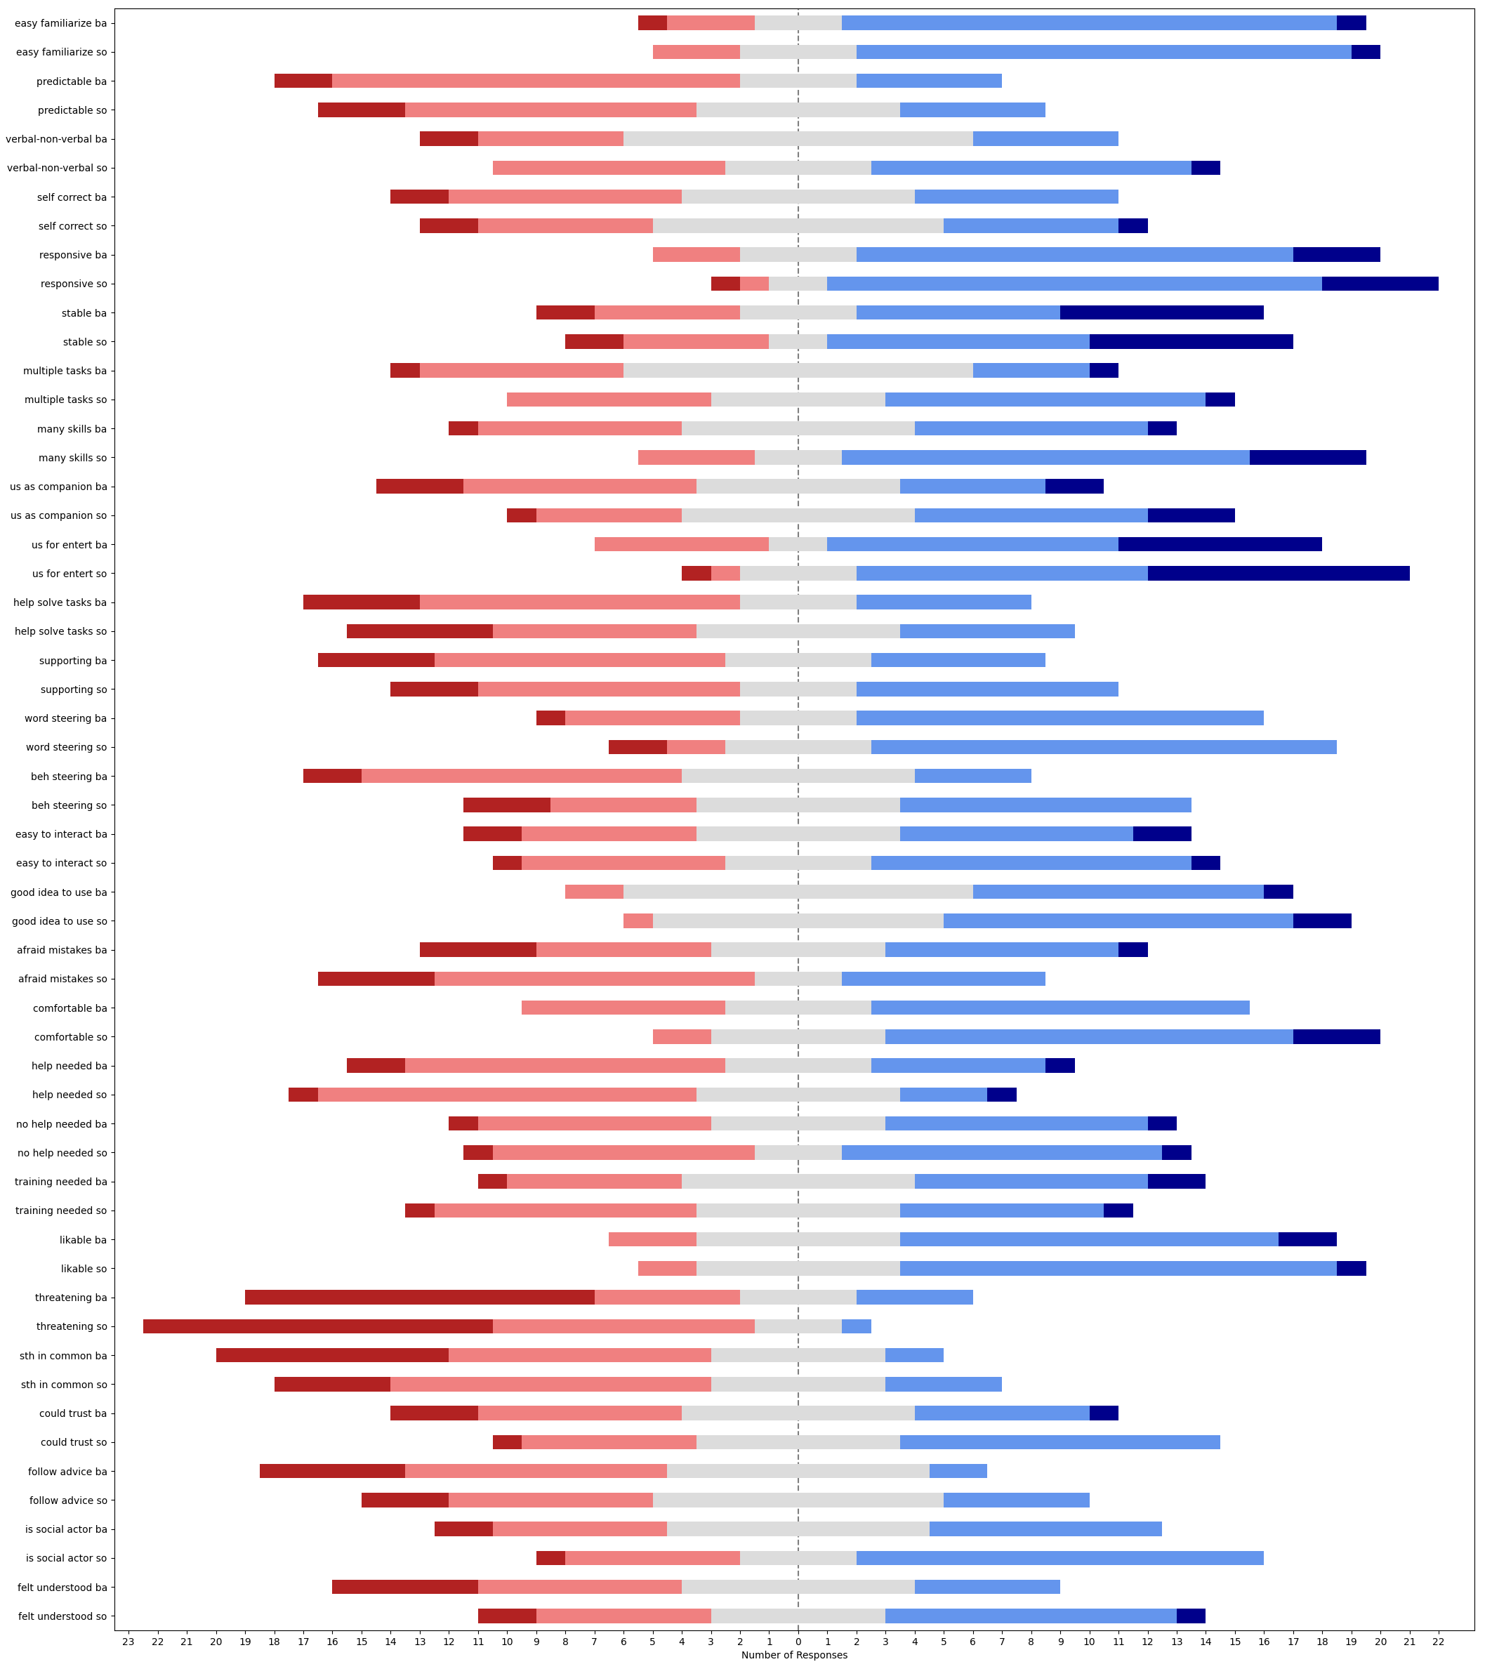
question | median_BA | median_SO | SONAR - baseline | w-alternative | w-stat | w-pval | w-zstat | significance | effect size | effect size interpretation
easy familiarize | 4 | 4 | [0, 0, 0, 0, 0, 2, 0, 1, 0, -1, -1, 0, 1, 0, -1, -1, -2, 0, 2, 1, 0, -1, 2, -1, 1] | two-sided | 45.5 | 0.64573417378 | -0.45969637231 |  | 0.06501088443 | none
easy familiarize | 4 | 4 | [0, 0, 0, 0, 0, 2, 0, 1, 0, -1, -1, 0, 1, 0, -1, -1, -2, 0, 2, 1, 0, -1, 2, -1, 1] | greater | 59.5 | 0.32286708689 | 0.45969637231 |  | 0.06501088443 | none
easy familiarize | 4 | 4 | [0, 0, 0, 0, 0, 2, 0, 1, 0, -1, -1, 0, 1, 0, -1, -1, -2, 0, 2, 1, 0, -1, 2, -1, 1] | less | 59.5 | 0.67713291311 | 0.45969637231 |  | 0.06501088443 | none
predictable | 2 | 2 | [-1, -1, 0, 1, -1, 0, 2, -1, 0, 0, 1, 0, 0, 1, -2, 0, 0, 0, 0, 0, 0, 2, 0, 1, 0] | two-sided | 28 | 0.64175808934 | -0.4652421052 |  | 0.065795169496 | none
predictable | 2 | 2 | [-1, -1, 0, 1, -1, 0, 2, -1, 0, 0, 1, 0, 0, 1, -2, 0, 0, 0, 0, 0, 0, 2, 0, 1, 0] | greater | 38 | 0.32087904467 | 0.4652421052 |  | 0.065795169496 | none
predictable | 2 | 2 | [-1, -1, 0, 1, -1, 0, 2, -1, 0, 0, 1, 0, 0, 1, -2, 0, 0, 0, 0, 0, 0, 2, 0, 1, 0] | less | 38 | 0.67912095533 | 0.4652421052 |  | 0.065795169496 | none
verbal-non-verbal | 3 | 3 | [0, 0, 2, 0, 1, 2, 2, 0, 2, 1, 1, 1, 1, 0, -2, -1, -1, 0, -1, 0, -1, 0, 1, -1, 2] | two-sided | 44.5 | 0.11594999404 | -1.5720024025 |  | 0.22231471177 | small
verbal-non-verbal | 3 | 3 | [0, 0, 2, 0, 1, 2, 2, 0, 2, 1, 1, 1, 1, 0, -2, -1, -1, 0, -1, 0, -1, 0, 1, -1, 2] | greater | 108.5 | 0.057974997018 | 1.5720024025 |  | 0.22231471177 | small
verbal-non-verbal | 3 | 3 | [0, 0, 2, 0, 1, 2, 2, 0, 2, 1, 1, 1, 1, 0, -2, -1, -1, 0, -1, 0, -1, 0, 1, -1, 2] | less | 108.5 | 0.94202500298 | 1.5720024025 |  | 0.22231471177 | small
self correct | 3 | 3 | [0, -1, 1, 0, 1, 1, 0, 1, 2, 1, 1, 1, 1, 0, -1, -2, 0, 0, 1, -2, -1, -2, 0, 1, 0] | two-sided | 67.5 | 0.6525074667 | -0.45028151395 |  | 0.063679422391 | none
self correct | 3 | 3 | [0, -1, 1, 0, 1, 1, 0, 1, 2, 1, 1, 1, 1, 0, -1, -2, 0, 0, 1, -2, -1, -2, 0, 1, 0] | greater | 85.5 | 0.32625373335 | 0.45028151395 |  | 0.063679422391 | none
self correct | 3 | 3 | [0, -1, 1, 0, 1, 1, 0, 1, 2, 1, 1, 1, 1, 0, -1, -2, 0, 0, 1, -2, -1, -2, 0, 1, 0] | less | 85.5 | 0.67374626665 | 0.45028151395 |  | 0.063679422391 | none
responsive | 4 | 4 | [0, 0, 0, -1, 0, 1, 0, 0, -1, 0, 0, 1, 0, 1, 2, 0, -1, 1, 1, -1, -1, 0, 1, 0, 1] | two-sided | 32.5 | 0.31731050786 | -1 |  | 0.14142135624 | none
responsive | 4 | 4 | [0, 0, 0, -1, 0, 1, 0, 0, -1, 0, 0, 1, 0, 1, 2, 0, -1, 1, 1, -1, -1, 0, 1, 0, 1] | greater | 58.5 | 0.15865525393 | 1 |  | 0.14142135624 | none
responsive | 4 | 4 | [0, 0, 0, -1, 0, 1, 0, 0, -1, 0, 0, 1, 0, 1, 2, 0, -1, 1, 1, -1, -1, 0, 1, 0, 1] | less | 58.5 | 0.84134474607 | 1 |  | 0.14142135624 | none
stable | 4 | 4 | [1, 0, -2, 1, 0, 0, 2, 2, -1, 0, 0, 3, 1, 0, -1, -1, 0, -1, 1, 0, 0, -2, 0, -1, 0] | two-sided | 48 | 0.77028772647 | -0.29199855804 |  | 0.041294832097 | none
stable | 4 | 4 | [1, 0, -2, 1, 0, 0, 2, 2, -1, 0, 0, 3, 1, 0, -1, -1, 0, -1, 1, 0, 0, -2, 0, -1, 0] | greater | 57 | 0.38514386324 | 0.29199855804 |  | 0.041294832097 | none
stable | 4 | 4 | [1, 0, -2, 1, 0, 0, 2, 2, -1, 0, 0, 3, 1, 0, -1, -1, 0, -1, 1, 0, 0, -2, 0, -1, 0] | less | 57 | 0.61485613676 | 0.29199855804 |  | 0.041294832097 | none
multiple tasks | 3 | 3 | [-1, -1, 1, 0, 1, 2, 2, -1, 0, 1, 1, 2, 2, 0, 0, 0, -2, 0, 1, 1, 0, 0, 0, 0, 0] | two-sided | 27 | 0.097109722259 | -1.659030124 |  | 0.23462229018 | small
multiple tasks | 3 | 3 | [-1, -1, 1, 0, 1, 2, 2, -1, 0, 1, 1, 2, 2, 0, 0, 0, -2, 0, 1, 1, 0, 0, 0, 0, 0] | greater | 78 | 0.04855486113 | 1.659030124 | * | 0.23462229018 | small
multiple tasks | 3 | 3 | [-1, -1, 1, 0, 1, 2, 2, -1, 0, 1, 1, 2, 2, 0, 0, 0, -2, 0, 1, 1, 0, 0, 0, 0, 0] | less | 78 | 0.95144513887 | 1.659030124 |  | 0.23462229018 | small
many skills | 3 | 4 | [0, 0, 2, 0, 0, 3, 2, 2, 1, 0, 0, 1, 2, 0, 0, 0, -2, 0, 1, -1, 1, 1, 3, 0, 1] | two-sided | 14 | 0.013736588797 | -2.4640788518 | * | 0.3484733731 | small
many skills | 3 | 4 | [0, 0, 2, 0, 0, 3, 2, 2, 1, 0, 0, 1, 2, 0, 0, 0, -2, 0, 1, -1, 1, 1, 3, 0, 1] | greater | 91 | 0.0068682943986 | 2.4640788518 | ** | 0.3484733731 | small
many skills | 3 | 4 | [0, 0, 2, 0, 0, 3, 2, 2, 1, 0, 0, 1, 2, 0, 0, 0, -2, 0, 1, -1, 1, 1, 3, 0, 1] | less | 91 | 0.9931317056 | 2.4640788518 |  | 0.3484733731 | small
us as companion | 3 | 3 | [0, 0, 0, 0, 1, 3, 0, 2, 0, 0, 0, 2, 2, 1, 0, 0, -1, -1, 2, 0, 0, 1, 1, 0, -1] | two-sided | 12 | 0.029708278895 | -2.173958142 | * | 0.30744410885 | small
us as companion | 3 | 3 | [0, 0, 0, 0, 1, 3, 0, 2, 0, 0, 0, 2, 2, 1, 0, 0, -1, -1, 2, 0, 0, 1, 1, 0, -1] | greater | 66 | 0.014854139448 | 2.173958142 | * | 0.30744410885 | small
us as companion | 3 | 3 | [0, 0, 0, 0, 1, 3, 0, 2, 0, 0, 0, 2, 2, 1, 0, 0, -1, -1, 2, 0, 0, 1, 1, 0, -1] | less | 66 | 0.98514586055 | 2.173958142 |  | 0.30744410885 | small
us for entert | 4 | 4 | [0, 0, 0, 0, 0, 2, 0, 2, 0, 0, -1, -1, 1, 0, 0, 0, 1, -1, 3, 0, 0, 0, 1, 0, 0] | two-sided | 10.5 | 0.14189351577 | -1.4687761473 |  | 0.20771631476 | small
us for entert | 4 | 4 | [0, 0, 0, 0, 0, 2, 0, 2, 0, 0, -1, -1, 1, 0, 0, 0, 1, -1, 3, 0, 0, 0, 1, 0, 0] | greater | 34.5 | 0.070946757885 | 1.4687761473 |  | 0.20771631476 | small
us for entert | 4 | 4 | [0, 0, 0, 0, 0, 2, 0, 2, 0, 0, -1, -1, 1, 0, 0, 0, 1, -1, 3, 0, 0, 0, 1, 0, 0] | less | 34.5 | 0.92905324211 | 1.4687761473 |  | 0.20771631476 | small
helplve tasks | 2 | 3 | [0, 0, 0, 0, 1, 2, 0, 2, -2, 0, 0, -1, 2, 0, 0, 0, 0, -1, 0, -1, 0, 0, 0, 0, 0] | two-sided | 14 | 0.56571979914 | -0.57436652689 |  | 0.081227693211 | none
helplve tasks | 2 | 3 | [0, 0, 0, 0, 1, 2, 0, 2, -2, 0, 0, -1, 2, 0, 0, 0, 0, -1, 0, -1, 0, 0, 0, 0, 0] | greater | 22 | 0.28285989957 | 0.57436652689 |  | 0.081227693211 | none
helplve tasks | 2 | 3 | [0, 0, 0, 0, 1, 2, 0, 2, -2, 0, 0, -1, 2, 0, 0, 0, 0, -1, 0, -1, 0, 0, 0, 0, 0] | less | 22 | 0.71714010043 | 0.57436652689 |  | 0.081227693211 | none
supporting | 2 | 3 | [0, 0, 0, 0, 0, 2, 0, 1, -2, 0, 0, 0, 1, -1, 0, -1, 1, -1, 2, 1, 0, 0, 3, 0, 0] | two-sided | 21 | 0.27131547989 | -1.1000381964 |  | 0.15556889365 | none
supporting | 2 | 3 | [0, 0, 0, 0, 0, 2, 0, 1, -2, 0, 0, 0, 1, -1, 0, -1, 1, -1, 2, 1, 0, 0, 3, 0, 0] | greater | 45 | 0.13565773994 | 1.1000381964 |  | 0.15556889365 | none
supporting | 2 | 3 | [0, 0, 0, 0, 0, 2, 0, 1, -2, 0, 0, 0, 1, -1, 0, -1, 1, -1, 2, 1, 0, 0, 3, 0, 0] | less | 45 | 0.86434226006 | 1.1000381964 |  | 0.15556889365 | none
word steering | 4 | 4 | [1, 0, 0, 0, 0, 2, 1, 0, 0, 0, 0, 2, 0, 0, -1, -1, -1, 1, 1, -1, 0, 0, 0, -2, 2] | two-sided | 28.5 | 0.39244812425 | -0.85518611049 |  | 0.12094157958 | none
word steering | 4 | 4 | [1, 0, 0, 0, 0, 2, 1, 0, 0, 0, 0, 2, 0, 0, -1, -1, -1, 1, 1, -1, 0, 0, 0, -2, 2] | greater | 49.5 | 0.19622406212 | 0.85518611049 |  | 0.12094157958 | none
word steering | 4 | 4 | [1, 0, 0, 0, 0, 2, 1, 0, 0, 0, 0, 2, 0, 0, -1, -1, -1, 1, 1, -1, 0, 0, 0, -2, 2] | less | 49.5 | 0.80377593788 | 0.85518611049 |  | 0.12094157958 | none
beh steering | 2 | 3 | [2, 0, 2, 0, 1, 2, 1, 1, 2, 0, 1, -1, 2, 1, -1, -1, -1, 1, -2, 0, 0, -2, 2, -2, 2] | two-sided | 68.5 | 0.16044197608 | -1.4035866389 |  | 0.19849712607 | none
beh steering | 2 | 3 | [2, 0, 2, 0, 1, 2, 1, 1, 2, 0, 1, -1, 2, 1, -1, -1, -1, 1, -2, 0, 0, -2, 2, -2, 2] | greater | 141.5 | 0.08022098804 | 1.4035866389 |  | 0.19849712607 | none
beh steering | 2 | 3 | [2, 0, 2, 0, 1, 2, 1, 1, 2, 0, 1, -1, 2, 1, -1, -1, -1, 1, -2, 0, 0, -2, 2, -2, 2] | less | 141.5 | 0.91977901196 | 1.4035866389 |  | 0.19849712607 | none
easy to interact | 3 | 3 | [1, -1, -1, -1, 0, 3, 0, 0, 1, 0, -1, 0, 0, 1, 0, 0, 0, 0, 2, 0, 0, 0, 0, -2, 0] | two-sided | 24.5 | 0.75065464096 | -0.3177762848 |  | 0.044940353176 | none
easy to interact | 3 | 3 | [1, -1, -1, -1, 0, 3, 0, 0, 1, 0, -1, 0, 0, 1, 0, 0, 0, 0, 2, 0, 0, 0, 0, -2, 0] | greater | 30.5 | 0.37532732048 | 0.3177762848 |  | 0.044940353176 | none
easy to interact | 3 | 3 | [1, -1, -1, -1, 0, 3, 0, 0, 1, 0, -1, 0, 0, 1, 0, 0, 0, 0, 2, 0, 0, 0, 0, -2, 0] | less | 30.5 | 0.62467267952 | 0.3177762848 |  | 0.044940353176 | none
good idea to use | 3 | 4 | [0, 0, 0, 0, 1, 0, 0, 0, 0, 0, 0, -1, 2, 0, -1, 0, 1, 0, 1, 0, 0, 1, 1, 0, 0] | two-sided | 8 | 0.13166801602 | -1.5075567229 |  | 0.21320071636 | small
good idea to use | 3 | 4 | [0, 0, 0, 0, 1, 0, 0, 0, 0, 0, 0, -1, 2, 0, -1, 0, 1, 0, 1, 0, 0, 1, 1, 0, 0] | greater | 28 | 0.065834008011 | 1.5075567229 |  | 0.21320071636 | small
good idea to use | 3 | 4 | [0, 0, 0, 0, 1, 0, 0, 0, 0, 0, 0, -1, 2, 0, -1, 0, 1, 0, 1, 0, 0, 1, 1, 0, 0] | less | 28 | 0.93416599199 | 1.5075567229 |  | 0.21320071636 | small
afraid mistakes | 3 | 2 | [-1, 0, -2, 0, -1, 1, 1, -2, -2, 0, -2, -1, -2, -2, 1, 0, 1, 2, 0, 0, 2, -1, 0, 0, 0] | two-sided | 43 | 0.18331548118 | -1.3306157385 |  | 0.18817748237 | none
afraid mistakes | 3 | 2 | [-1, 0, -2, 0, -1, 1, 1, -2, -2, 0, -2, -1, -2, -2, 1, 0, 1, 2, 0, 0, 2, -1, 0, 0, 0] | greater | 43 | 0.90834225941 | -1.3306157385 |  | 0.18817748237 | none
afraid mistakes | 3 | 2 | [-1, 0, -2, 0, -1, 1, 1, -2, -2, 0, -2, -1, -2, -2, 1, 0, 1, 2, 0, 0, 2, -1, 0, 0, 0] | less | 43 | 0.09165774059 | -1.3306157385 |  | 0.18817748237 | none
comfortable | 4 | 4 | [0, 0, 0, 1, 1, 2, 0, 2, 0, 0, 1, 3, 1, 1, -1, 0, -2, 0, 1, -1, 0, 1, 1, 1, 0] | two-sided | 25 | 0.037140190368 | -2.0842196696 | * | 0.29475317237 | small
comfortable | 4 | 4 | [0, 0, 0, 1, 1, 2, 0, 2, 0, 0, 1, 3, 1, 1, -1, 0, -2, 0, 1, -1, 0, 1, 1, 1, 0] | greater | 95 | 0.018570095184 | 2.0842196696 | * | 0.29475317237 | small
comfortable | 4 | 4 | [0, 0, 0, 1, 1, 2, 0, 2, 0, 0, 1, 3, 1, 1, -1, 0, -2, 0, 1, -1, 0, 1, 1, 1, 0] | less | 95 | 0.98142990482 | 2.0842196696 |  | 0.29475317237 | small
help needed | 2 | 2 | [0, 1, 0, 0, 0, 1, 0, -1, 0, -1, 0, 1, 0, 1, -1, 0, 1, 0, 0, 2, 0, -2, -2, -1, -2] | two-sided | 36.5 | 0.51213215359 | -0.65552133666 |  | 0.092704716472 | none
help needed | 2 | 2 | [0, 1, 0, 0, 0, 1, 0, -1, 0, -1, 0, 1, 0, 1, -1, 0, 1, 0, 0, 2, 0, -2, -2, -1, -2] | greater | 36.5 | 0.74393392321 | -0.65552133666 |  | 0.092704716472 | none
help needed | 2 | 2 | [0, 1, 0, 0, 0, 1, 0, -1, 0, -1, 0, 1, 0, 1, -1, 0, 1, 0, 0, 2, 0, -2, -2, -1, -2] | less | 36.5 | 0.25606607679 | -0.65552133666 |  | 0.092704716472 | none
no help needed | 3 | 3 | [-2, -1, 0, 0, 0, 0, 0, -1, 0, 1, 0, 0, 0, 1, 0, 0, -1, 0, 1, -2, 1, 2, 0, 2, 0] | two-sided | 31 | 0.85407606099 | -0.18392019595 |  | 0.02601024355 | none
no help needed | 3 | 3 | [-2, -1, 0, 0, 0, 0, 0, -1, 0, 1, 0, 0, 0, 1, 0, 0, -1, 0, 1, -2, 1, 2, 0, 2, 0] | greater | 35 | 0.4270380305 | 0.18392019595 |  | 0.02601024355 | none
no help needed | 3 | 3 | [-2, -1, 0, 0, 0, 0, 0, -1, 0, 1, 0, 0, 0, 1, 0, 0, -1, 0, 1, -2, 1, 2, 0, 2, 0] | less | 35 | 0.5729619695 | 0.18392019595 |  | 0.02601024355 | none
training needed | 3 | 3 | [0, 0, 0, -2, 1, -2, 0, 0, 0, 0, 0, 0, 3, -1, 0, 0, -1, 1, -1, 0, 1, -2, -3, 1, -1] | two-sided | 30.5 | 0.28104285851 | -1.0779796036 |  | 0.15244933754 | none
training needed | 3 | 3 | [0, 0, 0, -2, 1, -2, 0, 0, 0, 0, 0, 0, 3, -1, 0, 0, -1, 1, -1, 0, 1, -2, -3, 1, -1] | greater | 30.5 | 0.85947857075 | -1.0779796036 |  | 0.15244933754 | none
training needed | 3 | 3 | [0, 0, 0, -2, 1, -2, 0, 0, 0, 0, 0, 0, 3, -1, 0, 0, -1, 1, -1, 0, 1, -2, -3, 1, -1] | less | 30.5 | 0.14052142925 | -1.0779796036 |  | 0.15244933754 | none
likable | 4 | 4 | [1, 0, 0, -1, 1, 0, 0, 0, -1, 0, 0, 0, 0, -1, 0, 0, 0, 1, 1, 0, 0, 2, -1, 0, -1] | two-sided | 25 | 0.781511295 | -0.27735009811 |  | 0.039223227028 | none
likable | 4 | 4 | [1, 0, 0, -1, 1, 0, 0, 0, -1, 0, 0, 0, 0, -1, 0, 0, 0, 1, 1, 0, 0, 2, -1, 0, -1] | greater | 30 | 0.3907556475 | 0.27735009811 |  | 0.039223227028 | none
likable | 4 | 4 | [1, 0, 0, -1, 1, 0, 0, 0, -1, 0, 0, 0, 0, -1, 0, 0, 0, 1, 1, 0, 0, 2, -1, 0, -1] | less | 30 | 0.6092443525 | 0.27735009811 |  | 0.039223227028 | none
threatening | 2 | 2 | [-1, 1, -2, 0, 1, 1, 0, 1, 0, 0, 0, 0, 0, -1, -1, -2, 0, -1, 0, 0, 0, -3, 0, 0, 0] | two-sided | 18 | 0.16347891096 | -1.3934660286 |  | 0.19706585563 | none
threatening | 2 | 2 | [-1, 1, -2, 0, 1, 1, 0, 1, 0, 0, 0, 0, 0, -1, -1, -2, 0, -1, 0, 0, 0, -3, 0, 0, 0] | greater | 18 | 0.91826054452 | -1.3934660286 |  | 0.19706585563 | none
threatening | 2 | 2 | [-1, 1, -2, 0, 1, 1, 0, 1, 0, 0, 0, 0, 0, -1, -1, -2, 0, -1, 0, 0, 0, -3, 0, 0, 0] | less | 18 | 0.081739455478 | -1.3934660286 |  | 0.19706585563 | none
sth in common | 2 | 2 | [0, 1, 0, 0, 0, 1, -1, 0, 0, 1, 0, 0, 2, 0, 1, -1, 0, -1, 1, 1, 1, 0, 1, 1, 0] | two-sided | 19.5 | 0.045500263896 | -2 | * | 0.28284271247 | small
sth in common | 2 | 2 | [0, 1, 0, 0, 0, 1, -1, 0, 0, 1, 0, 0, 2, 0, 1, -1, 0, -1, 1, 1, 1, 0, 1, 1, 0] | greater | 71.5 | 0.022750131948 | 2 | * | 0.28284271247 | small
sth in common | 2 | 2 | [0, 1, 0, 0, 0, 1, -1, 0, 0, 1, 0, 0, 2, 0, 1, -1, 0, -1, 1, 1, 1, 0, 1, 1, 0] | less | 71.5 | 0.97724986805 | 2 |  | 0.28284271247 | small
could trust | 3 | 3 | [0, 0, 1, -1, 1, 1, -1, 0, -4, 0, 0, -1, 1, -1, 1, 1, 3, 0, 1, 2, 0, 2, 2, 0, 0] | two-sided | 40 | 0.13224970834 | -1.5052893256 |  | 0.21288005796 | small
could trust | 3 | 3 | [0, 0, 1, -1, 1, 1, -1, 0, -4, 0, 0, -1, 1, -1, 1, 1, 3, 0, 1, 2, 0, 2, 2, 0, 0] | greater | 96 | 0.066124854169 | 1.5052893256 |  | 0.21288005796 | small
could trust | 3 | 3 | [0, 0, 1, -1, 1, 1, -1, 0, -4, 0, 0, -1, 1, -1, 1, 1, 3, 0, 1, 2, 0, 2, 2, 0, 0] | less | 96 | 0.93387514583 | 1.5052893256 |  | 0.21288005796 | small
follow advice | 2 | 3 | [3, 1, 0, 0, 1, 1, 0, 0, 0, 0, 1, 0, 0, -1, 0, 0, 0, 0, 0, 0, 1, 0, 1, 0, 1] | two-sided | 4.5 | 0.020921335338 | -2.3094010768 | * | 0.32659863237 | small
follow advice | 2 | 3 | [3, 1, 0, 0, 1, 1, 0, 0, 0, 0, 1, 0, 0, -1, 0, 0, 0, 0, 0, 0, 1, 0, 1, 0, 1] | greater | 40.5 | 0.010460667669 | 2.3094010768 | * | 0.32659863237 | small
follow advice | 2 | 3 | [3, 1, 0, 0, 1, 1, 0, 0, 0, 0, 1, 0, 0, -1, 0, 0, 0, 0, 0, 0, 1, 0, 1, 0, 1] | less | 40.5 | 0.98953933233 | 2.3094010768 |  | 0.32659863237 | small
iscial actor | 3 | 4 | [-1, 2, 0, 0, 0, 2, 0, 1, 0, 0, 0, 1, 0, 0, 0, 0, 0, 0, 0, 0, 1, 1, 2, -1, 0] | two-sided | 7 | 0.057103092178 | -1.902520877 |  | 0.26905708269 | small
iscial actor | 3 | 4 | [-1, 2, 0, 0, 0, 2, 0, 1, 0, 0, 0, 1, 0, 0, 0, 0, 0, 0, 0, 0, 1, 1, 2, -1, 0] | greater | 38 | 0.028551546089 | 1.902520877 | * | 0.26905708269 | small
iscial actor | 3 | 4 | [-1, 2, 0, 0, 0, 2, 0, 1, 0, 0, 0, 1, 0, 0, 0, 0, 0, 0, 0, 0, 1, 1, 2, -1, 0] | less | 38 | 0.97144845391 | 1.902520877 |  | 0.26905708269 | small
felt understood | 3 | 3 | [0, 0, 3, 0, 0, 2, 1, 0, 0, 0, 0, -1, 3, -2, -1, 0, -1, 0, 0, 2, 2, 0, 1, 3, 2] | two-sided | 17 | 0.043482689215 | -2.0190435889 | * | 0.28553588264 | small
felt understood | 3 | 3 | [0, 0, 3, 0, 0, 2, 1, 0, 0, 0, 0, -1, 3, -2, -1, 0, -1, 0, 0, 2, 2, 0, 1, 3, 2] | greater | 74 | 0.021741344608 | 2.0190435889 | * | 0.28553588264 | small
felt understood | 3 | 3 | [0, 0, 3, 0, 0, 2, 1, 0, 0, 0, 0, -1, 3, -2, -1, 0, -1, 0, 0, 2, 2, 0, 1, 3, 2] | less | 74 | 0.97825865539 | 2.0190435889 |  | 0.28553588264 | small

usus_ue_comparis_stats
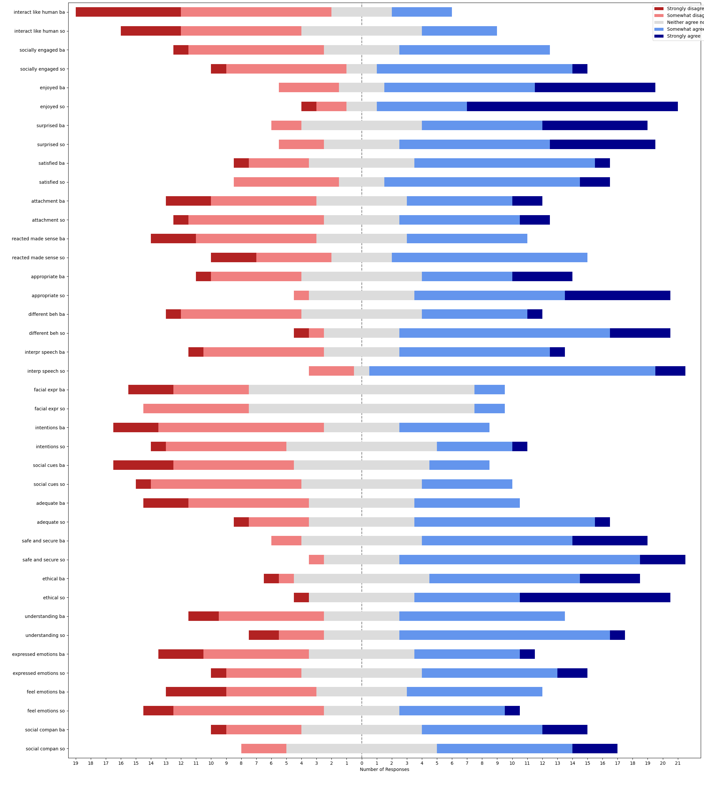
question | median_BA | median_SO | SONAR - baseline | w-alternative | w-stat | w-pval | w-zstat | significance | effect size | effect size interpretation
interact like human | 2 | 3 | [2, 1, 2, 0, 0, 0, 0, 1, -1, 1, -1, 1, 3, 0, -1, -2, -1, 0, 1, -1, 2, 1, 1, 0, 0] | two-sided | 47 | 0.14477563699 | -1.4582355176 |  | 0.20622564461 | small
interact like human | 2 | 3 | [2, 1, 2, 0, 0, 0, 0, 1, -1, 1, -1, 1, 3, 0, -1, -2, -1, 0, 1, -1, 2, 1, 1, 0, 0] | greater | 106 | 0.072387818496 | 1.4582355176 |  | 0.20622564461 | small
interact like human | 2 | 3 | [2, 1, 2, 0, 0, 0, 0, 1, -1, 1, -1, 1, 3, 0, -1, -2, -1, 0, 1, -1, 2, 1, 1, 0, 0] | less | 106 | 0.9276121815 | 1.4582355176 |  | 0.20622564461 | small
socially engaged | 3 | 4 | [1, 0, 2, 0, 1, 1, 0, 0, -1, 0, -2, 0, 2, 0, 0, 0, -1, -1, 0, 0, 0, 2, 1, -1, 2] | two-sided | 29 | 0.23343344884 | -1.1915609387 |  | 0.16851216399 | none
socially engaged | 3 | 4 | [1, 0, 2, 0, 1, 1, 0, 0, -1, 0, -2, 0, 2, 0, 0, 0, -1, -1, 0, 0, 0, 2, 1, -1, 2] | greater | 62 | 0.11671672442 | 1.1915609387 |  | 0.16851216399 | none
socially engaged | 3 | 4 | [1, 0, 2, 0, 1, 1, 0, 0, -1, 0, -2, 0, 2, 0, 0, 0, -1, -1, 0, 0, 0, 2, 1, -1, 2] | less | 62 | 0.88328327558 | 1.1915609387 |  | 0.16851216399 | none
enjoyed | 4 | 5 | [1, 0, 0, 1, 0, 0, 0, 0, 0, 0, 1, 1, 0, 0, 0, 1, 0, 0, 2, 0, -1, 2, -1, 1, 0] | two-sided | 9 | 0.045579154788 | -1.9992699397 | * | 0.28273946636 | small
enjoyed | 4 | 5 | [1, 0, 0, 1, 0, 0, 0, 0, 0, 0, 1, 1, 0, 0, 0, 1, 0, 0, 2, 0, -1, 2, -1, 1, 0] | greater | 46 | 0.022789577394 | 1.9992699397 | * | 0.28273946636 | small
enjoyed | 4 | 5 | [1, 0, 0, 1, 0, 0, 0, 0, 0, 0, 1, 1, 0, 0, 0, 1, 0, 0, 2, 0, -1, 2, -1, 1, 0] | less | 46 | 0.97721042261 | 1.9992699397 |  | 0.28273946636 | small
surprised | 4 | 4 | [1, 0, 0, 0, 2, 1, -1, 0, 0, 0, 0, -1, 1, 0, 0, 0, -1, 1, -1, 0, 0, 0, 1, -3, 1] | two-sided | 34 | 0.67464947886 | -0.41977548016 |  | 0.05936521772 | none
surprised | 4 | 4 | [1, 0, 0, 0, 2, 1, -1, 0, 0, 0, 0, -1, 1, 0, 0, 0, -1, 1, -1, 0, 0, 0, 1, -3, 1] | greater | 44 | 0.33732473943 | 0.41977548016 |  | 0.05936521772 | none
surprised | 4 | 4 | [1, 0, 0, 0, 2, 1, -1, 0, 0, 0, 0, -1, 1, 0, 0, 0, -1, 1, -1, 0, 0, 0, 1, -3, 1] | less | 44 | 0.66267526057 | 0.41977548016 |  | 0.05936521772 | none
satisfied | 4 | 4 | [0, -1, 0, 0, 1, 1, 0, 1, 0, -1, -2, 2, 1, -1, 0, 0, 0, 0, 2, -1, -1, 0, 1, -1, 1] | two-sided | 53 | 0.6722379739 | -0.42307851965 |  | 0.059832338044 | none
satisfied | 4 | 4 | [0, -1, 0, 0, 1, 1, 0, 1, 0, -1, -2, 2, 1, -1, 0, 0, 0, 0, 2, -1, -1, 0, 1, -1, 1] | greater | 67 | 0.33611898695 | 0.42307851965 |  | 0.059832338044 | none
satisfied | 4 | 4 | [0, -1, 0, 0, 1, 1, 0, 1, 0, -1, -2, 2, 1, -1, 0, 0, 0, 0, 2, -1, -1, 0, 1, -1, 1] | less | 67 | 0.66388101305 | 0.42307851965 |  | 0.059832338044 | none
attachment | 3 | 3 | [2, -2, 0, 0, 1, 1, 0, 0, 0, 0, -1, 1, 0, -1, 0, 0, 2, 0, 1, 0, 1, 0, 0, -2, 0] | two-sided | 27 | 0.5811123931 | -0.55176058785 |  | 0.078030730651 | none
attachment | 3 | 3 | [2, -2, 0, 0, 1, 1, 0, 0, 0, 0, -1, 1, 0, -1, 0, 0, 2, 0, 1, 0, 1, 0, 0, -2, 0] | greater | 39 | 0.29055619655 | 0.55176058785 |  | 0.078030730651 | none
attachment | 3 | 3 | [2, -2, 0, 0, 1, 1, 0, 0, 0, 0, -1, 1, 0, -1, 0, 0, 2, 0, 1, 0, 1, 0, 0, -2, 0] | less | 39 | 0.70944380345 | 0.55176058785 |  | 0.078030730651 | none
reacted made sense | 3 | 4 | [0, 0, 3, 0, 1, 1, 0, -2, -3, 0, 0, 0, 2, 0, -1, 0, 0, -2, 1, 0, 1, 2, 3, 0, 2] | two-sided | 31 | 0.30431090236 | -1.0272327031 |  | 0.14527264205 | none
reacted made sense | 3 | 4 | [0, 0, 3, 0, 1, 1, 0, -2, -3, 0, 0, 0, 2, 0, -1, 0, 0, -2, 1, 0, 1, 2, 3, 0, 2] | greater | 60 | 0.15215545118 | 1.0272327031 |  | 0.14527264205 | none
reacted made sense | 3 | 4 | [0, 0, 3, 0, 1, 1, 0, -2, -3, 0, 0, 0, 2, 0, -1, 0, 0, -2, 1, 0, 1, 2, 3, 0, 2] | less | 60 | 0.84784454882 | 1.0272327031 |  | 0.14527264205 | none
appropriate | 3 | 4 | [0, 0, 3, 1, 1, 1, 1, 1, 1, 0, -1, 0, 2, 0, 0, 1, 0, 1, 1, 0, 1, 2, 0, 1, 0] | two-sided | 6.5 | 0.0012322153823 | -3.2313162131 | ** | 0.45697712128 | small
appropriate | 3 | 4 | [0, 0, 3, 1, 1, 1, 1, 1, 1, 0, -1, 0, 2, 0, 0, 1, 0, 1, 1, 0, 1, 2, 0, 1, 0] | greater | 113.5 | 0.00061610769117 | 3.2313162131 | ** | 0.45697712128 | small
appropriate | 3 | 4 | [0, 0, 3, 1, 1, 1, 1, 1, 1, 0, -1, 0, 2, 0, 0, 1, 0, 1, 1, 0, 1, 2, 0, 1, 0] | less | 113.5 | 0.99938389231 | 3.2313162131 |  | 0.45697712128 | small
different beh | 3 | 4 | [4, 2, 2, -2, 0, 2, 2, 2, 1, 2, -1, 1, 3, 0, 0, 0, -2, -1, 0, 0, 1, 0, 1, 1, 2] | two-sided | 32 | 0.017306546127 | -2.3801296852 | * | 0.3366011681 | small
different beh | 3 | 4 | [4, 2, 2, -2, 0, 2, 2, 2, 1, 2, -1, 1, 3, 0, 0, 0, -2, -1, 0, 0, 1, 0, 1, 1, 2] | greater | 139 | 0.0086532730635 | 2.3801296852 | ** | 0.3366011681 | small
different beh | 3 | 4 | [4, 2, 2, -2, 0, 2, 2, 2, 1, 2, -1, 1, 3, 0, 0, 0, -2, -1, 0, 0, 1, 0, 1, 1, 2] | less | 139 | 0.99134672694 | 2.3801296852 |  | 0.3366011681 | small
interp speech | 3 | 4 | [-1, 0, 2, 1, 0, 3, 0, 0, 1, 1, 0, 2, 2, 0, 0, 0, -1, 2, 1, 0, 1, 1, 1, 0, 2] | two-sided | 10 | 0.0034609050773 | -2.923526731 | ** | 0.4134491153 | small
interp speech | 3 | 4 | [-1, 0, 2, 1, 0, 3, 0, 0, 1, 1, 0, 2, 2, 0, 0, 0, -1, 2, 1, 0, 1, 1, 1, 0, 2] | greater | 110 | 0.0017304525386 | 2.923526731 | ** | 0.4134491153 | small
interp speech | 3 | 4 | [-1, 0, 2, 1, 0, 3, 0, 0, 1, 1, 0, 2, 2, 0, 0, 0, -1, 2, 1, 0, 1, 1, 1, 0, 2] | less | 110 | 0.99826954746 | 2.923526731 |  | 0.4134491153 | small
facial expr | 3 | 3 | [-1, 0, 3, 0, 0, 0, 1, 0, 1, 0, 0, 0, 1, -1, 0, 0, -1, 0, 0, 0, 0, -2, 2, 0, 1] | two-sided | 20.5 | 0.45840366748 | -0.74147799787 |  | 0.10486082408 | none
facial expr | 3 | 3 | [-1, 0, 3, 0, 0, 0, 1, 0, 1, 0, 0, 0, 1, -1, 0, 0, -1, 0, 0, 0, 0, -2, 2, 0, 1] | greater | 34.5 | 0.22920183374 | 0.74147799787 |  | 0.10486082408 | none
facial expr | 3 | 3 | [-1, 0, 3, 0, 0, 0, 1, 0, 1, 0, 0, 0, 1, -1, 0, 0, -1, 0, 0, 0, 0, -2, 2, 0, 1] | less | 34.5 | 0.77079816626 | 0.74147799787 |  | 0.10486082408 | none
intentions | 2 | 3 | [-2, 0, 3, 1, 0, 1, 1, 0, 1, 1, -1, 0, 1, -2, 0, -1, 0, 2, 0, -1, 1, 0, 0, 1, 2] | two-sided | 45 | 0.21577911444 | -1.2378299668 |  | 0.1750555927 | none
intentions | 2 | 3 | [-2, 0, 3, 1, 0, 1, 1, 0, 1, 1, -1, 0, 1, -2, 0, -1, 0, 2, 0, -1, 1, 0, 0, 1, 2] | greater | 91 | 0.10788955722 | 1.2378299668 |  | 0.1750555927 | none
intentions | 2 | 3 | [-2, 0, 3, 1, 0, 1, 1, 0, 1, 1, -1, 0, 1, -2, 0, -1, 0, 2, 0, -1, 1, 0, 0, 1, 2] | less | 91 | 0.89211044278 | 1.2378299668 |  | 0.1750555927 | none
social cues | 3 | 3 | [-2, -1, 3, 1, 2, 0, 0, 1, 1, 1, 0, 0, 2, 0, 0, -2, 0, 0, 0, 0, 0, 0, 0, -1, 1] | two-sided | 27 | 0.3339423025 | -0.96620361867 |  | 0.13664182615 | none
social cues | 3 | 3 | [-2, -1, 3, 1, 2, 0, 0, 1, 1, 1, 0, 0, 2, 0, 0, -2, 0, 0, 0, 0, 0, 0, 0, -1, 1] | greater | 51 | 0.16697115125 | 0.96620361867 |  | 0.13664182615 | none
social cues | 3 | 3 | [-2, -1, 3, 1, 2, 0, 0, 1, 1, 1, 0, 0, 2, 0, 0, -2, 0, 0, 0, 0, 0, 0, 0, -1, 1] | less | 51 | 0.83302884875 | 0.96620361867 |  | 0.13664182615 | none
adequate | 3 | 4 | [2, 0, 2, 1, 0, 0, 1, 0, 0, 0, 2, 0, 2, 1, 1, -1, 0, -1, 2, 1, 0, 1, 2, -1, 0] | two-sided | 15 | 0.0082992159953 | -2.6396480704 | ** | 0.3733026101 | small
adequate | 3 | 4 | [2, 0, 2, 1, 0, 0, 1, 0, 0, 0, 2, 0, 2, 1, 1, -1, 0, -1, 2, 1, 0, 1, 2, -1, 0] | greater | 105 | 0.0041496079976 | 2.6396480704 | ** | 0.3733026101 | small
adequate | 3 | 4 | [2, 0, 2, 1, 0, 0, 1, 0, 0, 0, 2, 0, 2, 1, 1, -1, 0, -1, 2, 1, 0, 1, 2, -1, 0] | less | 105 | 0.995850392 | 2.6396480704 |  | 0.3733026101 | small
safe and secure | 4 | 4 | [0, 0, 1, -1, 0, 2, 1, 0, -1, 0, 1, 0, 1, 0, 1, 0, 0, -1, 1, 0, -1, 2, 0, 0, -3] | two-sided | 35 | 0.43888923759 | -0.77407026981 |  | 0.10947006738 | none
safe and secure | 4 | 4 | [0, 0, 1, -1, 0, 2, 1, 0, -1, 0, 1, 0, 1, 0, 1, 0, 0, -1, 1, 0, -1, 2, 0, 0, -3] | greater | 56 | 0.2194446188 | 0.77407026981 |  | 0.10947006738 | none
safe and secure | 4 | 4 | [0, 0, 1, -1, 0, 2, 1, 0, -1, 0, 1, 0, 1, 0, 1, 0, 0, -1, 1, 0, -1, 2, 0, 0, -3] | less | 56 | 0.7805553812 | 0.77407026981 |  | 0.10947006738 | none
ethical | 4 | 4 | [1, 0, 4, 1, 1, 1, 0, 1, 0, 0, -1, 1, 1, 0, 0, 0, -3, 0, 0, 0, 0, 2, 0, 1, 0] | two-sided | 16 | 0.058252885528 | -1.8937900301 |  | 0.26782235448 | small
ethical | 4 | 4 | [1, 0, 4, 1, 1, 1, 0, 1, 0, 0, -1, 1, 1, 0, 0, 0, -3, 0, 0, 0, 0, 2, 0, 1, 0] | greater | 62 | 0.029126442764 | 1.8937900301 | * | 0.26782235448 | small
ethical | 4 | 4 | [1, 0, 4, 1, 1, 1, 0, 1, 0, 0, -1, 1, 1, 0, 0, 0, -3, 0, 0, 0, 0, 2, 0, 1, 0] | less | 62 | 0.97087355724 | 1.8937900301 |  | 0.26782235448 | small
understanding | 3 | 4 | [0, 1, 3, 0, 0, 2, 1, -1, 0, 0, 0, 1, 2, 0, 0, -1, -3, 0, 0, 0, 0, 1, 0, 1, 2] | two-sided | 19.5 | 0.11713581472 | -1.5669096372 |  | 0.22159448599 | small
understanding | 3 | 4 | [0, 1, 3, 0, 0, 2, 1, -1, 0, 0, 0, 1, 2, 0, 0, -1, -3, 0, 0, 0, 0, 1, 0, 1, 2] | greater | 58.5 | 0.058567907362 | 1.5669096372 |  | 0.22159448599 | small
understanding | 3 | 4 | [0, 1, 3, 0, 0, 2, 1, -1, 0, 0, 0, 1, 2, 0, 0, -1, -3, 0, 0, 0, 0, 1, 0, 1, 2] | less | 58.5 | 0.94143209264 | 1.5669096372 |  | 0.22159448599 | small
expressed emotions | 3 | 3 | [2, 1, 0, 1, 0, 4, 1, 1, 3, 0, -2, 1, 1, 1, 0, 0, 0, -1, -1, 0, 1, -2, 0, -1, 0] | two-sided | 44 | 0.19696456746 | -1.2902479934 |  | 0.1824686211 | none
expressed emotions | 3 | 3 | [2, 1, 0, 1, 0, 4, 1, 1, 3, 0, -2, 1, 1, 1, 0, 0, 0, -1, -1, 0, 1, -2, 0, -1, 0] | greater | 92 | 0.09848228373 | 1.2902479934 |  | 0.1824686211 | none
expressed emotions | 3 | 3 | [2, 1, 0, 1, 0, 4, 1, 1, 3, 0, -2, 1, 1, 1, 0, 0, 0, -1, -1, 0, 1, -2, 0, -1, 0] | less | 92 | 0.90151771627 | 1.2902479934 |  | 0.1824686211 | none
feel emotions | 3 | 3 | [1, 1, 0, 1, 0, 4, 1, 2, 0, 0, -2, 0, 0, -1, -1, 0, -2, -1, -1, -1, 0, -2, 0, -2, 3] | two-sided | 63 | 0.79115308213 | -0.26481357067 |  | 0.037450294314 | none
feel emotions | 3 | 3 | [1, 1, 0, 1, 0, 4, 1, 2, 0, 0, -2, 0, 0, -1, -1, 0, -2, -1, -1, -1, 0, -2, 0, -2, 3] | greater | 63 | 0.60442345894 | -0.26481357067 |  | 0.037450294314 | none
feel emotions | 3 | 3 | [1, 1, 0, 1, 0, 4, 1, 2, 0, 0, -2, 0, 0, -1, -1, 0, -2, -1, -1, -1, 0, -2, 0, -2, 3] | less | 63 | 0.39557654106 | -0.26481357067 |  | 0.037450294314 | none
social compan | 3 | 3 | [0, 0, 0, -1, 0, 0, 0, 0, 0, -1, 1, 0, 0, 0, 0, 0, 1, 0, 1, 0, 2, 1, 0, 0, 1] | two-sided | 8 | 0.13166801602 | -1.5075567229 |  | 0.21320071636 | small
social compan | 3 | 3 | [0, 0, 0, -1, 0, 0, 0, 0, 0, -1, 1, 0, 0, 0, 0, 0, 1, 0, 1, 0, 2, 1, 0, 0, 1] | greater | 28 | 0.065834008011 | 1.5075567229 |  | 0.21320071636 | small
social compan | 3 | 3 | [0, 0, 0, -1, 0, 0, 0, 0, 0, -1, 1, 0, 0, 0, 0, 0, 1, 0, 1, 0, 2, 1, 0, 0, 1] | less | 28 | 0.93416599199 | 1.5075567229 |  | 0.21320071636 | small

usus_ue_befafter_stats
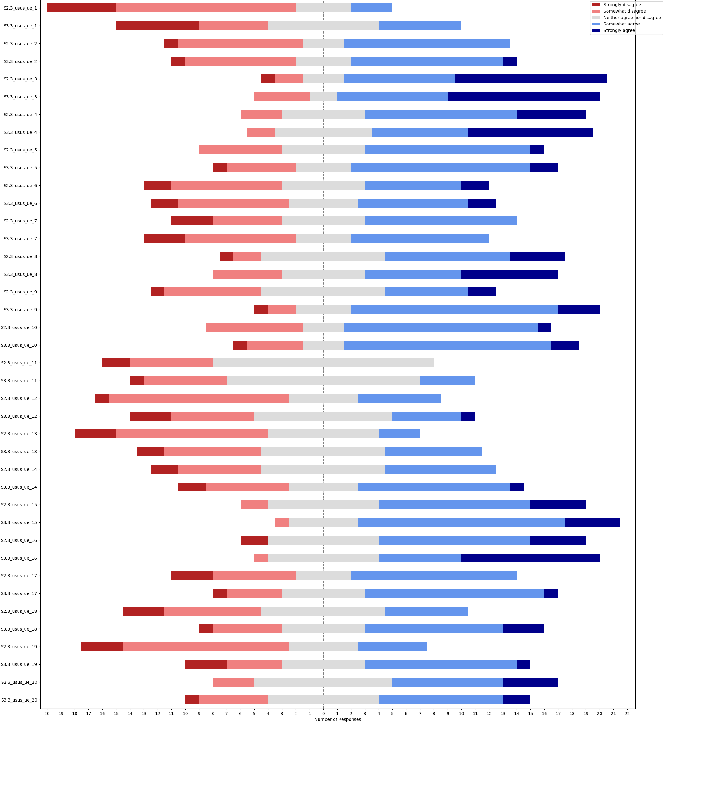
question | question | median_BA | median_SO | SONAR - baseline | w-alternative | w-stat | w-pval | w-zstat | significance | effect size | effect size interpretation
s3.3_usus_ue_1 | interact like human | 2 | 3 | [2, 0, 1, 1, 2, 2, 1, 0, 0, 0, -1, 0, 0, 1, 1, -2, -1, -1, -1, 1, 0, -1, 0, 1, 3] | two-sided | 47 | 0.14477563699 | -1.4582355176 |  | 0.20622564461 | small
s3.3_usus_ue_1 | interact like human | 2 | 3 | [2, 0, 1, 1, 2, 2, 1, 0, 0, 0, -1, 0, 0, 1, 1, -2, -1, -1, -1, 1, 0, -1, 0, 1, 3] | greater | 106 | 0.072387818496 | 1.4582355176 |  | 0.20622564461 | small
s3.3_usus_ue_1 | interact like human | 2 | 3 | [2, 0, 1, 1, 2, 2, 1, 0, 0, 0, -1, 0, 0, 1, 1, -2, -1, -1, -1, 1, 0, -1, 0, 1, 3] | less | 106 | 0.9276121815 | 1.4582355176 |  | 0.20622564461 | small
s3.3_usus_ue_2 | socially engaged | 3 | 3 | [1, 0, 0, 0, 2, 0, 1, 0, 1, 1, 0, 1, 0, 0, 0, 0, -1, -2, -1, 0, 1, -2, -2, 0, 2] | two-sided | 42 | 0.80045727257 | -0.25275535064 |  | 0.035745004483 | none
s3.3_usus_ue_2 | socially engaged | 3 | 3 | [1, 0, 0, 0, 2, 0, 1, 0, 1, 1, 0, 1, 0, 0, 0, 0, -1, -2, -1, 0, 1, -2, -2, 0, 2] | greater | 49 | 0.40022863628 | 0.25275535064 |  | 0.035745004483 | none
s3.3_usus_ue_2 | socially engaged | 3 | 3 | [1, 0, 0, 0, 2, 0, 1, 0, 1, 1, 0, 1, 0, 0, 0, 0, -1, -2, -1, 0, 1, -2, -2, 0, 2] | less | 49 | 0.59977136372 | 0.25275535064 |  | 0.035745004483 | none
s3.3_usus_ue_3 | enjoyed | 4 | 4 | [1, 0, 0, 0, 0, -1, 0, 1, 0, 0, -2, 0, 0, 0, 0, 1, 0, -2, 1, 0, -1, 1, 0, 1, 0] | two-sided | 27 | 0.95690781862 | -0.054034322696 |  | 0.007641607199 | none
s3.3_usus_ue_3 | enjoyed | 4 | 4 | [1, 0, 0, 0, 0, -1, 0, 1, 0, 0, -2, 0, 0, 0, 0, 1, 0, -2, 1, 0, -1, 1, 0, 1, 0] | greater | 27 | 0.52154609069 | -0.054034322696 |  | 0.007641607199 | none
s3.3_usus_ue_3 | enjoyed | 4 | 4 | [1, 0, 0, 0, 0, -1, 0, 1, 0, 0, -2, 0, 0, 0, 0, 1, 0, -2, 1, 0, -1, 1, 0, 1, 0] | less | 27 | 0.47845390931 | -0.054034322696 |  | 0.007641607199 | none
s3.3_usus_ue_4 | surprised | 4 | 4 | [1, 0, 0, 0, 0, 0, 1, 0, -1, 2, 1, 1, -1, 0, 0, 0, 0, 0, -1, 0, 3, 0, -1, -1, 1] | two-sided | 27.5 | 0.33430264421 | -0.96548360437 |  | 0.13654000075 | none
s3.3_usus_ue_4 | surprised | 4 | 4 | [1, 0, 0, 0, 0, 0, 1, 0, -1, 2, 1, 1, -1, 0, 0, 0, 0, 0, -1, 0, 3, 0, -1, -1, 1] | greater | 50.5 | 0.16715132211 | 0.96548360437 |  | 0.13654000075 | none
s3.3_usus_ue_4 | surprised | 4 | 4 | [1, 0, 0, 0, 0, 0, 1, 0, -1, 2, 1, 1, -1, 0, 0, 0, 0, 0, -1, 0, 3, 0, -1, -1, 1] | less | 50.5 | 0.83284867789 | 0.96548360437 |  | 0.13654000075 | none
s3.3_usus_ue_5 | satisfied | 4 | 4 | [0, 1, -1, 0, 0, 0, 0, 0, 0, 1, -2, 1, 0, 1, 1, 1, 0, 0, -1, -1, 1, -2, -1, 2, 1] | two-sided | 54 | 0.71687477371 | -0.36263873113 |  | 0.05128486118 | none
s3.3_usus_ue_5 | satisfied | 4 | 4 | [0, 1, -1, 0, 0, 0, 0, 0, 0, 1, -2, 1, 0, 1, 1, 1, 0, 0, -1, -1, 1, -2, -1, 2, 1] | greater | 66 | 0.35843738685 | 0.36263873113 |  | 0.05128486118 | none
s3.3_usus_ue_5 | satisfied | 4 | 4 | [0, 1, -1, 0, 0, 0, 0, 0, 0, 1, -2, 1, 0, 1, 1, 1, 0, 0, -1, -1, 1, -2, -1, 2, 1] | less | 66 | 0.64156261315 | 0.36263873113 |  | 0.05128486118 | none
s3.3_usus_ue_6 | attachment | 3 | 3 | [2, 1, -2, 0, 0, 0, -2, 0, 0, 1, -1, 1, 0, 0, 0, -1, 0, 0, 0, 0, 2, -1, 0, 1, 0] | two-sided | 31 | 0.85407606099 | -0.18392019595 |  | 0.02601024355 | none
s3.3_usus_ue_6 | attachment | 3 | 3 | [2, 1, -2, 0, 0, 0, -2, 0, 0, 1, -1, 1, 0, 0, 0, -1, 0, 0, 0, 0, 2, -1, 0, 1, 0] | greater | 35 | 0.4270380305 | 0.18392019595 |  | 0.02601024355 | none
s3.3_usus_ue_6 | attachment | 3 | 3 | [2, 1, -2, 0, 0, 0, -2, 0, 0, 1, -1, 1, 0, 0, 0, -1, 0, 0, 0, 0, 2, -1, 0, 1, 0] | less | 35 | 0.5729619695 | 0.18392019595 |  | 0.02601024355 | none
s3.3_usus_ue_7 | reacted made sense | 3 | 3 | [0, 0, 0, 1, 3, 0, 0, 0, 2, 1, -1, 1, 0, 0, -2, -1, -3, -2, -3, 0, 0, 0, -2, 0, 2] | two-sided | 37 | 0.54706038727 | -0.60217089493 |  | 0.085159824648 | none
s3.3_usus_ue_7 | reacted made sense | 3 | 3 | [0, 0, 0, 1, 3, 0, 0, 0, 2, 1, -1, 1, 0, 0, -2, -1, -3, -2, -3, 0, 0, 0, -2, 0, 2] | greater | 37 | 0.72646980636 | -0.60217089493 |  | 0.085159824648 | none
s3.3_usus_ue_7 | reacted made sense | 3 | 3 | [0, 0, 0, 1, 3, 0, 0, 0, 2, 1, -1, 1, 0, 0, -2, -1, -3, -2, -3, 0, 0, 0, -2, 0, 2] | less | 37 | 0.27353019364 | -0.60217089493 |  | 0.085159824648 | none
s3.3_usus_ue_8 | appropriate | 4 | 4 | [0, 0, 0, 0, 3, -1, 0, 1, -1, 1, -1, 1, 1, 0, 1, -1, 1, -2, 0, 0, -1, -1, 0, 0, 2] | two-sided | 52.5 | 0.65055719946 | -0.45298825417 |  | 0.064062213264 | none
s3.3_usus_ue_8 | appropriate | 4 | 4 | [0, 0, 0, 0, 3, -1, 0, 1, -1, 1, -1, 1, 1, 0, 1, -1, 1, -2, 0, 0, -1, -1, 0, 0, 2] | greater | 67.5 | 0.32527859973 | 0.45298825417 |  | 0.064062213264 | none
s3.3_usus_ue_8 | appropriate | 4 | 4 | [0, 0, 0, 0, 3, -1, 0, 1, -1, 1, -1, 1, 1, 0, 1, -1, 1, -2, 0, 0, -1, -1, 0, 0, 2] | less | 67.5 | 0.67472140027 | 0.45298825417 |  | 0.064062213264 | none
s3.3_usus_ue_9 | different beh | 3 | 4 | [4, 0, 2, 0, 2, 0, 2, -2, 1, 0, 0, 2, 2, 0, 2, -1, 1, 0, -1, 2, -1, -1, -2, 1, 3] | two-sided | 40 | 0.042947269434 | -2.0242224425 | * | 0.28626828315 | small
s3.3_usus_ue_9 | different beh | 3 | 4 | [4, 0, 2, 0, 2, 0, 2, -2, 1, 0, 0, 2, 2, 0, 2, -1, 1, 0, -1, 2, -1, -1, -2, 1, 3] | greater | 131 | 0.021473634717 | 2.0242224425 | * | 0.28626828315 | small
s3.3_usus_ue_9 | different beh | 3 | 4 | [4, 0, 2, 0, 2, 0, 2, -2, 1, 0, 0, 2, 2, 0, 2, -1, 1, 0, -1, 2, -1, -1, -2, 1, 3] | less | 131 | 0.97852636528 | 2.0242224425 |  | 0.28626828315 | small
s3.3_usus_ue_10 | interp speech | 4 | 4 | [-1, 0, 0, 0, 2, 0, 1, 1, -2, 0, -1, 3, 0, 0, 0, -1, 1, -1, -1, 1, 0, 0, -2, 2, 2] | two-sided | 49 | 0.52010998174 | -0.64317588083 |  | 0.090958805365 | none
s3.3_usus_ue_10 | interp speech | 4 | 4 | [-1, 0, 0, 0, 2, 0, 1, 1, -2, 0, -1, 3, 0, 0, 0, -1, 1, -1, -1, 1, 0, 0, -2, 2, 2] | greater | 71 | 0.26005499087 | 0.64317588083 |  | 0.090958805365 | none
s3.3_usus_ue_10 | interp speech | 4 | 4 | [-1, 0, 0, 0, 2, 0, 1, 1, -2, 0, -1, 3, 0, 0, 0, -1, 1, -1, -1, 1, 0, 0, -2, 2, 2] | less | 71 | 0.73994500913 | 0.64317588083 |  | 0.090958805365 | none
s3.3_usus_ue_11 | facial expr | 3 | 3 | [-1, 1, 0, 0, 3, 0, 1, 0, 0, 0, 0, 0, 1, 0, 0, 0, 1, 2, -2, 0, 0, 0, -1, 0, 1] | two-sided | 16.5 | 0.2439462565 | -1.1651797109 |  | 0.16478129498 | none
s3.3_usus_ue_11 | facial expr | 3 | 3 | [-1, 1, 0, 0, 3, 0, 1, 0, 0, 0, 0, 0, 1, 0, 0, 0, 1, 2, -2, 0, 0, 0, -1, 0, 1] | greater | 38.5 | 0.12197312825 | 1.1651797109 |  | 0.16478129498 | none
s3.3_usus_ue_11 | facial expr | 3 | 3 | [-1, 1, 0, 0, 3, 0, 1, 0, 0, 0, 0, 0, 1, 0, 0, 0, 1, 2, -2, 0, 0, 0, -1, 0, 1] | less | 38.5 | 0.87802687175 | 1.1651797109 |  | 0.16478129498 | none
s3.3_usus_ue_12 | intentions | 2 | 3 | [-2, 2, 0, 0, 3, 1, 0, 1, -2, 0, 0, 1, 1, 1, 0, -1, 1, 0, 0, 1, -1, -1, -2, 0, 1] | two-sided | 58.5 | 0.60915669127 | -0.511277595 |  | 0.072305570898 | none
s3.3_usus_ue_12 | intentions | 2 | 3 | [-2, 2, 0, 0, 3, 1, 0, 1, -2, 0, 0, 1, 1, 1, 0, -1, 1, 0, 0, 1, -1, -1, -2, 0, 1] | greater | 77.5 | 0.30457834564 | 0.511277595 |  | 0.072305570898 | none
s3.3_usus_ue_12 | intentions | 2 | 3 | [-2, 2, 0, 0, 3, 1, 0, 1, -2, 0, 0, 1, 1, 1, 0, -1, 1, 0, 0, 1, -1, -1, -2, 0, 1] | less | 77.5 | 0.69542165436 | 0.511277595 |  | 0.072305570898 | none
s3.3_usus_ue_13 | social cues | 2 | 3 | [-2, 0, -1, 0, 3, 2, 0, 1, 0, 2, 0, 0, 0, 0, 1, 0, 1, 0, 0, 1, 1, 0, -1, 0, 2] | two-sided | 17.5 | 0.083431288199 | -1.7311148168 |  | 0.24481660519 | small
s3.3_usus_ue_13 | social cues | 2 | 3 | [-2, 0, -1, 0, 3, 2, 0, 1, 0, 2, 0, 0, 0, 0, 1, 0, 1, 0, 0, 1, 1, 0, -1, 0, 2] | greater | 60.5 | 0.0417156441 | 1.7311148168 | * | 0.24481660519 | small
s3.3_usus_ue_13 | social cues | 2 | 3 | [-2, 0, -1, 0, 3, 2, 0, 1, 0, 2, 0, 0, 0, 0, 1, 0, 1, 0, 0, 1, 1, 0, -1, 0, 2] | less | 60.5 | 0.9582843559 | 1.7311148168 |  | 0.24481660519 | small
s3.3_usus_ue_14 | adequate | 3 | 3 | [2, -1, 0, -1, 2, 1, 0, 1, 1, 0, -2, 0, 1, -1, 0, 0, 0, -1, -2, 0, 1, 2, 0, 0, 2] | two-sided | 45 | 0.37892286287 | -0.87988269013 |  | 0.12443420337 | none
s3.3_usus_ue_14 | adequate | 3 | 3 | [2, -1, 0, -1, 2, 1, 0, 1, 1, 0, -2, 0, 1, -1, 0, 0, 0, -1, -2, 0, 1, 2, 0, 0, 2] | greater | 75 | 0.18946143143 | 0.87988269013 |  | 0.12443420337 | none
s3.3_usus_ue_14 | adequate | 3 | 3 | [2, -1, 0, -1, 2, 1, 0, 1, 1, 0, -2, 0, 1, -1, 0, 0, 0, -1, -2, 0, 1, 2, 0, 0, 2] | less | 75 | 0.81053856857 | 0.87988269013 |  | 0.12443420337 | none
s3.3_usus_ue_15 | safe and secure | 4 | 4 | [0, 0, 0, -1, 1, 0, 0, -1, 1, 0, -1, 2, 1, 0, 0, 1, -1, -2, 0, 0, 0, 1, 3, 0, 1] | two-sided | 33.5 | 0.3763444935 | -0.88465173693 |  | 0.12510864843 | none
s3.3_usus_ue_15 | safe and secure | 4 | 4 | [0, 0, 0, -1, 1, 0, 0, -1, 1, 0, -1, 2, 1, 0, 0, 1, -1, -2, 0, 0, 0, 1, 3, 0, 1] | greater | 57.5 | 0.18817224675 | 0.88465173693 |  | 0.12510864843 | none
s3.3_usus_ue_15 | safe and secure | 4 | 4 | [0, 0, 0, -1, 1, 0, 0, -1, 1, 0, -1, 2, 1, 0, 0, 1, -1, -2, 0, 0, 0, 1, 3, 0, 1] | less | 57.5 | 0.81182775325 | 0.88465173693 |  | 0.12510864843 | none
s3.3_usus_ue_16 | ethical | 4 | 4 | [1, 0, 0, 0, 4, 0, 3, 1, 0, 1, 0, 1, 0, 0, 1, 0, 0, -2, 0, 0, -1, -1, 0, 1, 1] | two-sided | 20 | 0.11771538974 | -1.5644352422 |  | 0.2212445537 | small
s3.3_usus_ue_16 | ethical | 4 | 4 | [1, 0, 0, 0, 4, 0, 3, 1, 0, 1, 0, 1, 0, 0, 1, 0, 0, -2, 0, 0, -1, -1, 0, 1, 1] | greater | 58 | 0.058857694872 | 1.5644352422 |  | 0.2212445537 | small
s3.3_usus_ue_16 | ethical | 4 | 4 | [1, 0, 0, 0, 4, 0, 3, 1, 0, 1, 0, 1, 0, 0, 1, 0, 0, -2, 0, 0, -1, -1, 0, 1, 1] | less | 58 | 0.94114230513 | 1.5644352422 |  | 0.2212445537 | small
s3.3_usus_ue_17 | understanding | 3 | 4 | [0, 0, 1, 0, 3, 1, 3, 0, 0, 0, 0, 2, 1, 0, -1, 0, 0, -1, 0, 0, -1, 0, -2, 1, 2] | two-sided | 21 | 0.14807117347 | -1.4463781266 |  | 0.2045487563 | small
s3.3_usus_ue_17 | understanding | 3 | 4 | [0, 0, 1, 0, 3, 1, 3, 0, 0, 0, 0, 2, 1, 0, -1, 0, 0, -1, 0, 0, -1, 0, -2, 1, 2] | greater | 57 | 0.074035586737 | 1.4463781266 |  | 0.2045487563 | small
s3.3_usus_ue_17 | understanding | 3 | 4 | [0, 0, 1, 0, 3, 1, 3, 0, 0, 0, 0, 2, 1, 0, -1, 0, 0, -1, 0, 0, -1, 0, -2, 1, 2] | less | 57 | 0.92596441326 | 1.4463781266 |  | 0.2045487563 | small
s3.3_usus_ue_18 | expressed emotions | 3 | 4 | [2, -1, 1, 0, 0, 0, 0, 1, 1, 0, 1, 4, 1, 0, 1, -1, 3, 2, 0, 0, 1, -2, 0, 1, 1] | two-sided | 25 | 0.02079453455 | -2.3116943215 | * | 0.32692294615 | small
s3.3_usus_ue_18 | expressed emotions | 3 | 4 | [2, -1, 1, 0, 0, 0, 0, 1, 1, 0, 1, 4, 1, 0, 1, -1, 3, 2, 0, 0, 1, -2, 0, 1, 1] | greater | 111 | 0.010397267275 | 2.3116943215 | * | 0.32692294615 | small
s3.3_usus_ue_18 | expressed emotions | 3 | 4 | [2, -1, 1, 0, 0, 0, 0, 1, 1, 0, 1, 4, 1, 0, 1, -1, 3, 2, 0, 0, 1, -2, 0, 1, 1] | less | 111 | 0.98960273272 | 2.3116943215 |  | 0.32692294615 | small
s3.3_usus_ue_19 | feel emotions | 2 | 3 | [1, 1, 1, 1, 0, 0, 2, 1, 1, 0, 1, 4, 1, 1, 2, 0, 0, 2, 0, 0, 2, -2, -3, 0, 0] | two-sided | 27 | 0.029895565891 | -2.1714712795 | * | 0.30709241337 | small
s3.3_usus_ue_19 | feel emotions | 2 | 3 | [1, 1, 1, 1, 0, 0, 2, 1, 1, 0, 1, 4, 1, 1, 2, 0, 0, 2, 0, 0, 2, -2, -3, 0, 0] | greater | 109 | 0.014947782945 | 2.1714712795 | * | 0.30709241337 | small
s3.3_usus_ue_19 | feel emotions | 2 | 3 | [1, 1, 1, 1, 0, 0, 2, 1, 1, 0, 1, 4, 1, 1, 2, 0, 0, 2, 0, 0, 2, -2, -3, 0, 0] | less | 109 | 0.98505221705 | 2.1714712795 |  | 0.30709241337 | small
s3.3_usus_ue_20 | social compan | 3 | 3 | [0, 0, 0, 0, 0, 0, -1, -1, 0, 0, -1, 0, 0, 0, 0, -2, 0, -1, 0, -1, 0, 1, -1, 0, 0] | two-sided | 4 | 0.034808478812 | -2.110579412 | * | 0.2984810029 | small
s3.3_usus_ue_20 | social compan | 3 | 3 | [0, 0, 0, 0, 0, 0, -1, -1, 0, 0, -1, 0, 0, 0, 0, -2, 0, -1, 0, -1, 0, 1, -1, 0, 0] | greater | 4 | 0.98259576059 | -2.110579412 |  | 0.2984810029 | small
s3.3_usus_ue_20 | social compan | 3 | 3 | [0, 0, 0, 0, 0, 0, -1, -1, 0, 0, -1, 0, 0, 0, 0, -2, 0, -1, 0, -1, 0, 1, -1, 0, 0] | less | 4 | 0.017404239406 | -2.110579412 | * | 0.2984810029 | small

usus_soc
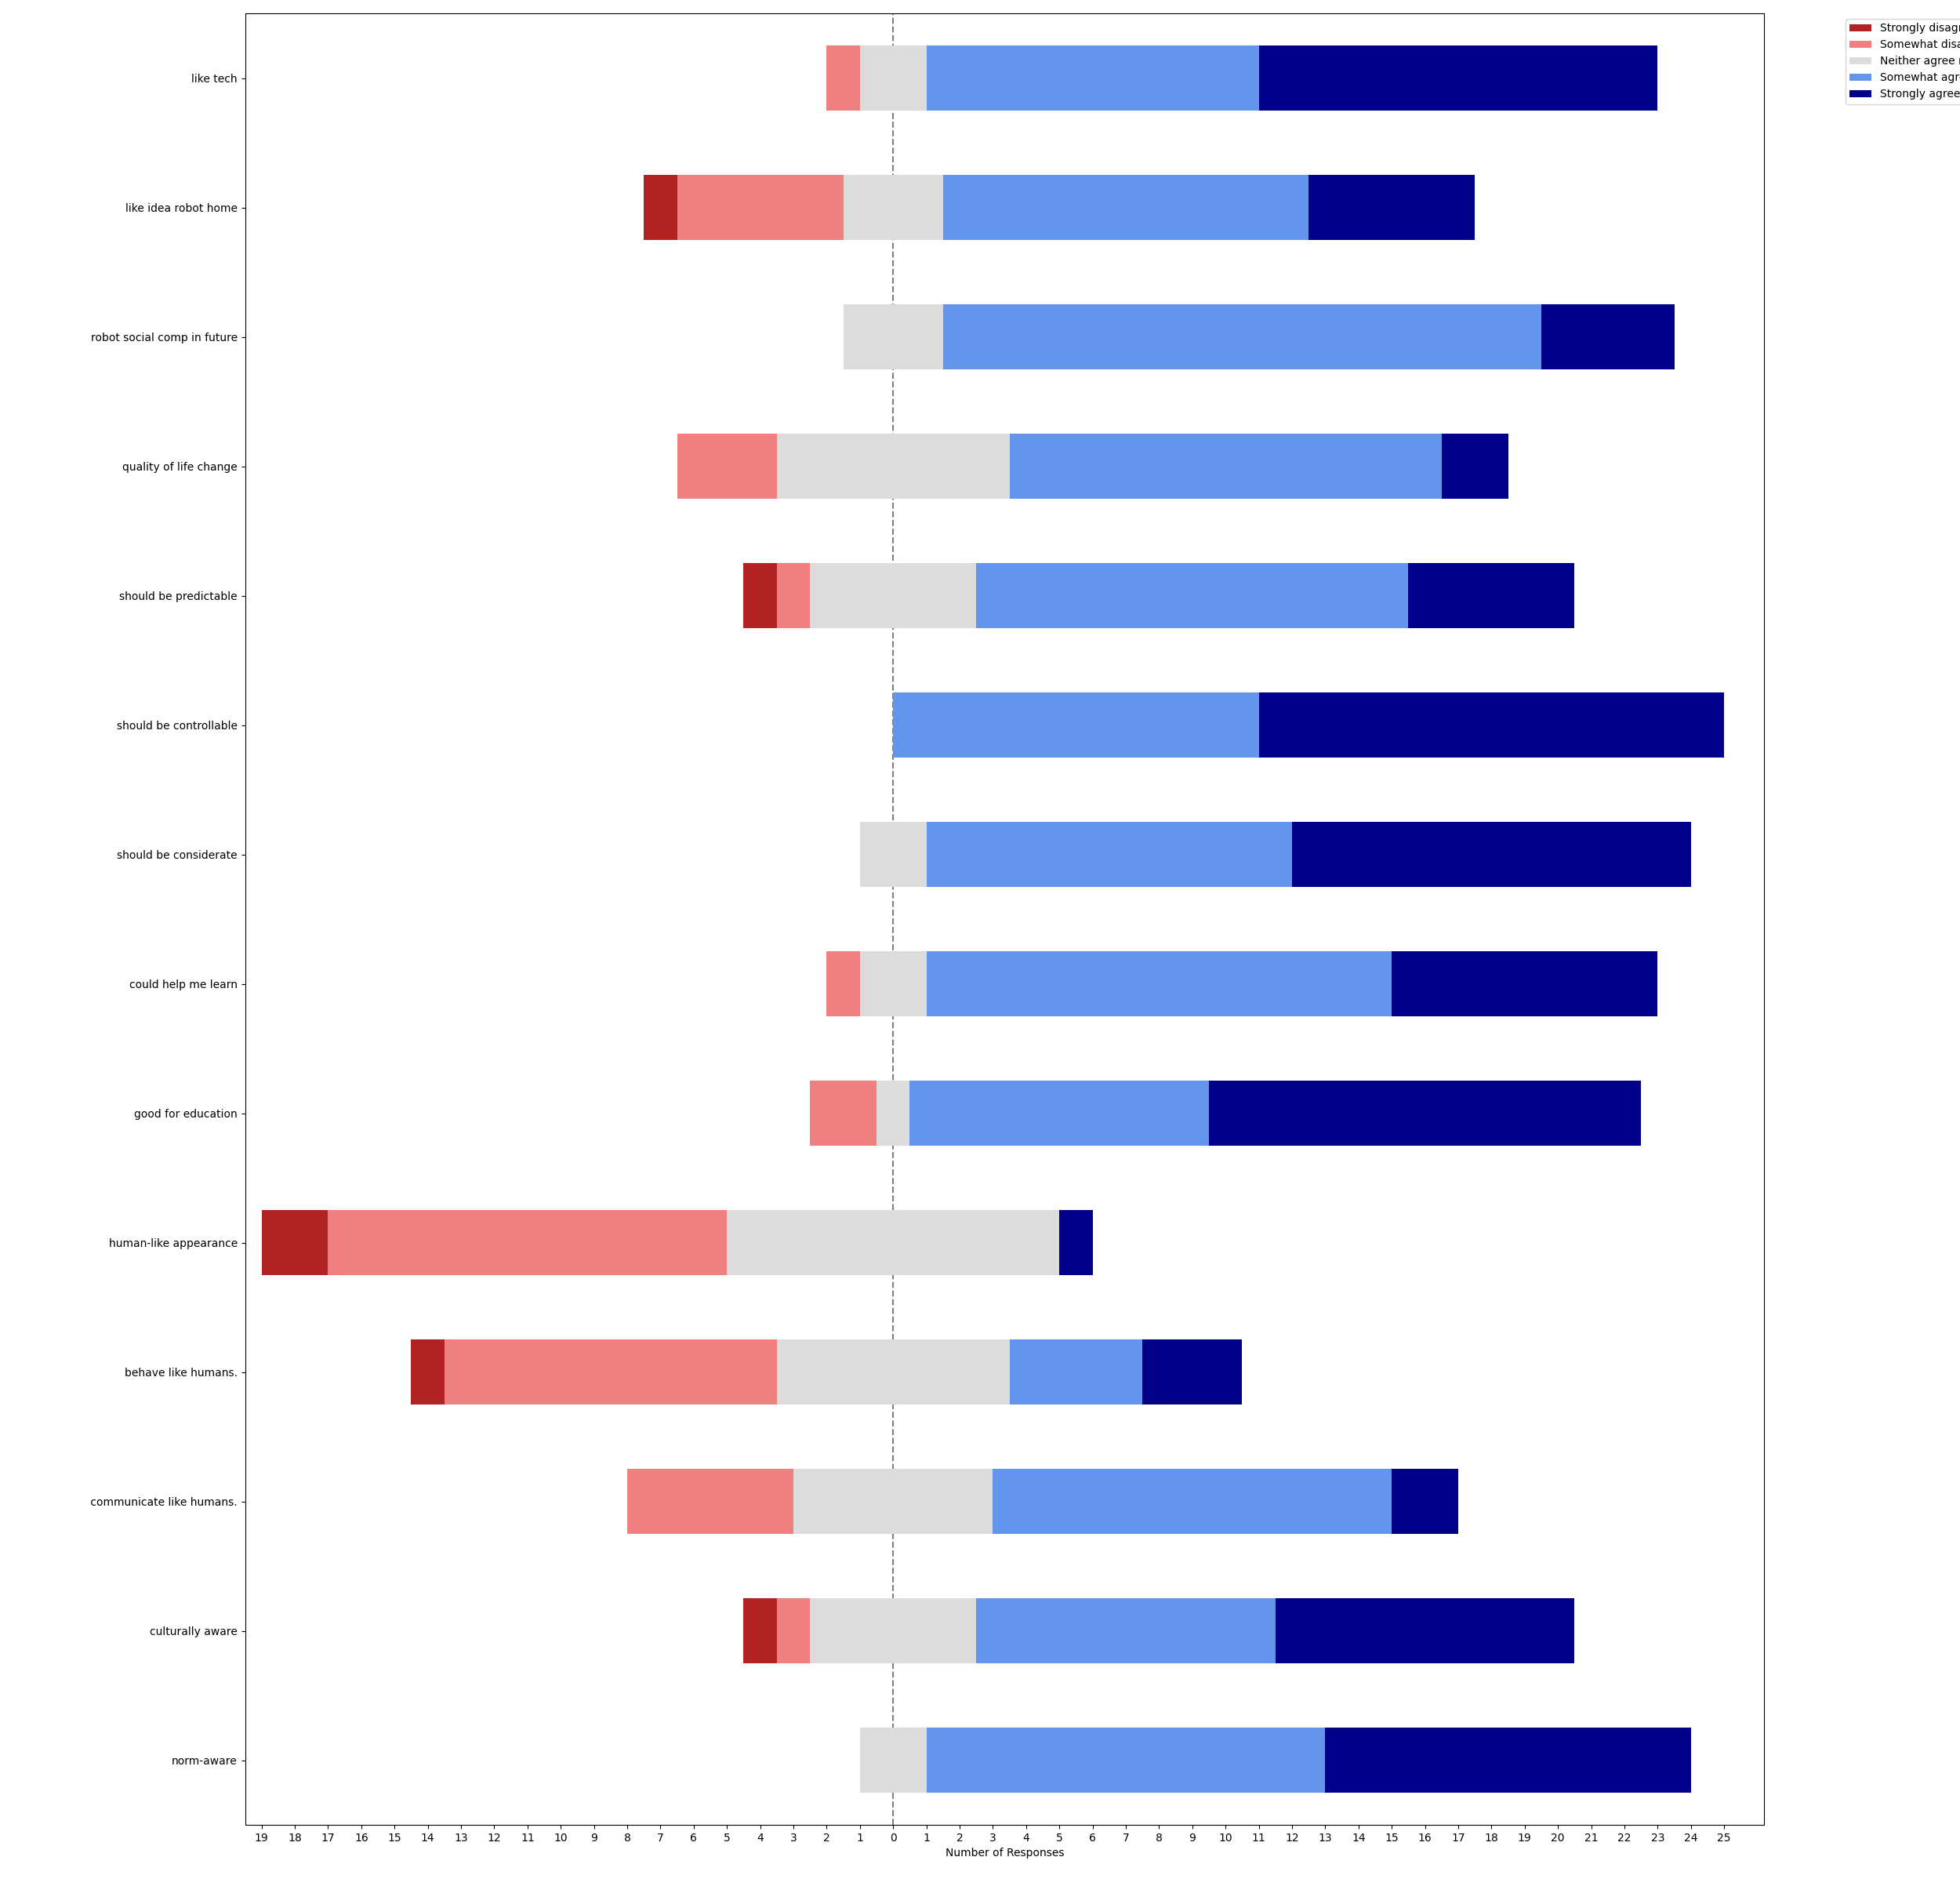
like tech | like idea robot home | robot social comp in future | quality of life change | should be predictable | should be controllable | should be considerate | could help me learn | good for education | human-like appearance | behave like humans. | communicate like humans. | culturally aware | norm-aware
Neither agree nor disagree | Somewhat disagree | Somewhat agree | Somewhat agree | Somewhat agree | Strongly agree | Strongly agree | Somewhat disagree | Somewhat agree | Somewhat disagree | Somewhat disagree | Strongly agree | Somewhat agree | Somewhat agree
Somewhat agree | Somewhat agree | Somewhat agree | Somewhat agree | Neither agree nor disagree | Somewhat agree | Somewhat agree | Somewhat agree | Somewhat agree | Neither agree nor disagree | Somewhat agree | Somewhat agree | Somewhat agree | Strongly agree
Somewhat agree | Somewhat disagree | Somewhat agree | Neither agree nor disagree | Somewhat agree | Strongly agree | Strongly agree | Somewhat agree | Strongly agree | Neither agree nor disagree | Neither agree nor disagree | Neither agree nor disagree | Strongly agree | Strongly agree
Somewhat agree | Somewhat agree | Somewhat agree | Somewhat agree | Neither agree nor disagree | Somewhat agree | Somewhat agree | Somewhat agree | Somewhat agree | Somewhat disagree | Neither agree nor disagree | Neither agree nor disagree | Somewhat disagree | Somewhat agree
Somewhat agree | Somewhat agree | Somewhat agree | Somewhat agree | Somewhat agree | Somewhat agree | Somewhat agree | Strongly agree | Strongly agree | Somewhat disagree | Neither agree nor disagree | Neither agree nor disagree | Neither agree nor disagree | Somewhat agree
Strongly agree | Somewhat agree | Somewhat agree | Somewhat agree | Somewhat agree | Somewhat agree | Somewhat agree | Somewhat agree | Strongly agree | Strongly agree | Strongly agree | Strongly agree | Strongly agree | Strongly agree
Somewhat disagree | Somewhat agree | Somewhat agree | Neither agree nor disagree | Strongly agree | Strongly agree | Strongly agree | Neither agree nor disagree | Somewhat disagree | Somewhat disagree | Somewhat agree | Somewhat agree | Strongly agree | Strongly agree
Strongly agree | Somewhat agree | Strongly agree | Strongly agree | Strongly agree | Strongly agree | Strongly agree | Strongly agree | Strongly agree | Neither agree nor disagree | Somewhat disagree | Somewhat disagree | Neither agree nor disagree | Neither agree nor disagree
Strongly agree | Strongly agree | Somewhat agree | Somewhat agree | Somewhat agree | Strongly agree | Strongly agree | Somewhat agree | Somewhat agree | Somewhat disagree | Somewhat disagree | Somewhat disagree | Somewhat agree | Somewhat agree
Strongly agree | Strongly agree | Somewhat agree | Somewhat agree | Strongly agree | Strongly agree | Strongly agree | Strongly agree | Strongly agree | Somewhat disagree | Somewhat disagree | Somewhat agree | Strongly agree | Strongly agree
Somewhat agree | Strongly agree | Strongly agree | Somewhat agree | Neither agree nor disagree | Somewhat agree | Somewhat agree | Somewhat agree | Strongly agree | Strongly disagree | Somewhat disagree | Somewhat agree | Somewhat agree | Somewhat agree
Strongly agree | Strongly agree | Strongly agree | Somewhat agree | Neither agree nor disagree | Strongly agree | Strongly agree | Strongly agree | Strongly agree | Somewhat disagree | Somewhat disagree | Somewhat disagree | Somewhat agree | Strongly agree
Neither agree nor disagree | Somewhat disagree | Somewhat agree | Neither agree nor disagree | Somewhat agree | Somewhat agree | Strongly agree | Strongly agree | Somewhat agree | Somewhat disagree | Neither agree nor disagree | Neither agree nor disagree | Strongly agree | Somewhat agree
Strongly agree | Strongly agree | Somewhat agree | Somewhat agree | Somewhat agree | Strongly agree | Somewhat agree | Somewhat agree | Somewhat agree | Neither agree nor disagree | Neither agree nor disagree | Somewhat agree | Neither agree nor disagree | Somewhat agree
Somewhat agree | Somewhat agree | Somewhat agree | Somewhat disagree | Somewhat disagree | Somewhat agree | Strongly agree | Strongly agree | Strongly agree | Neither agree nor disagree | Somewhat disagree | Somewhat disagree | Somewhat agree | Somewhat agree
Somewhat agree | Somewhat agree | Somewhat agree | Somewhat agree | Neither agree nor disagree | Somewhat agree | Somewhat agree | Somewhat agree | Neither agree nor disagree | Neither agree nor disagree | Neither agree nor disagree | Neither agree nor disagree | Neither agree nor disagree | Neither agree nor disagree
Somewhat agree | Somewhat disagree | Neither agree nor disagree | Somewhat disagree | Somewhat agree | Somewhat agree | Somewhat agree | Strongly agree | Strongly agree | Somewhat disagree | Somewhat disagree | Somewhat agree | Strongly agree | Strongly agree
Strongly agree | Neither agree nor disagree | Neither agree nor disagree | Neither agree nor disagree | Somewhat agree | Strongly agree | Somewhat agree | Somewhat agree | Somewhat agree | Neither agree nor disagree | Neither agree nor disagree | Somewhat agree | Somewhat agree | Somewhat agree
Strongly agree | Somewhat agree | Somewhat agree | Strongly agree | Somewhat agree | Strongly agree | Neither agree nor disagree | Somewhat agree | Somewhat disagree | Strongly disagree | Strongly agree | Neither agree nor disagree | Strongly disagree | Somewhat agree
Strongly agree | Somewhat agree | Somewhat agree | Neither agree nor disagree | Somewhat agree | Somewhat agree | Somewhat agree | Somewhat agree | Somewhat agree | Somewhat disagree | Somewhat disagree | Somewhat agree | Somewhat agree | Somewhat agree
Strongly agree | Somewhat agree | Strongly agree | Somewhat disagree | Strongly disagree | Strongly agree | Neither agree nor disagree | Somewhat agree | Strongly agree | Neither agree nor disagree | Somewhat disagree | Somewhat agree | Strongly agree | Strongly agree
Somewhat agree | Neither agree nor disagree | Somewhat agree | Neither agree nor disagree | Strongly agree | Strongly agree | Strongly agree | Neither agree nor disagree | Strongly agree | Neither agree nor disagree | Strongly agree | Somewhat agree | Strongly agree | Strongly agree
Strongly agree | Strongly disagree | Somewhat agree | Somewhat agree | Somewhat agree | Strongly agree | Strongly agree | Strongly agree | Strongly agree | Somewhat disagree | Strongly disagree | Somewhat disagree | Somewhat agree | Strongly agree
Somewhat agree | Somewhat disagree | Neither agree nor disagree | Neither agree nor disagree | Somewhat agree | Strongly agree | Somewhat agree | Somewhat agree | Strongly agree | Neither agree nor disagree | Somewhat agree | Somewhat agree | Strongly agree | Strongly agree
Strongly agree | Neither agree nor disagree | Somewhat agree | Somewhat agree | Strongly agree | Somewhat agree | Strongly agree | Somewhat agree | Somewhat agree | Somewhat disagree | Somewhat agree | Somewhat agree | Neither agree nor disagree | Somewhat agree

